GCP
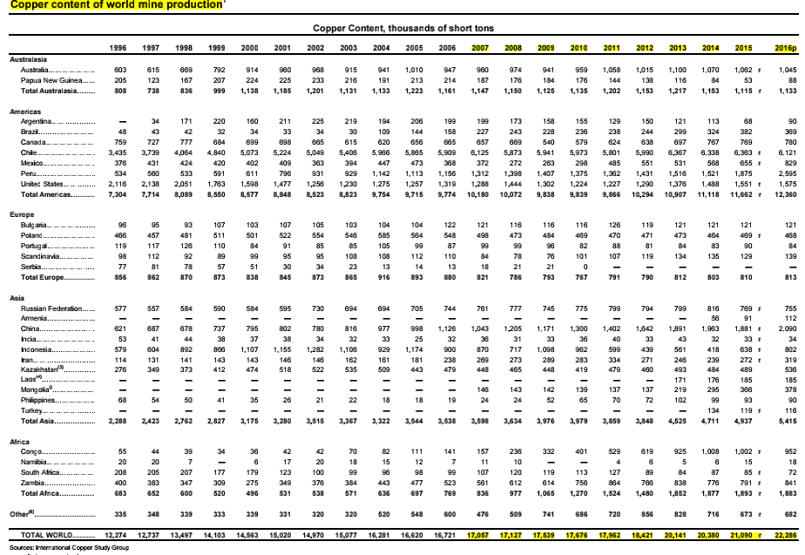

WTI
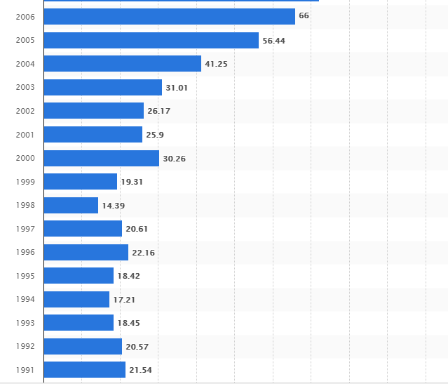
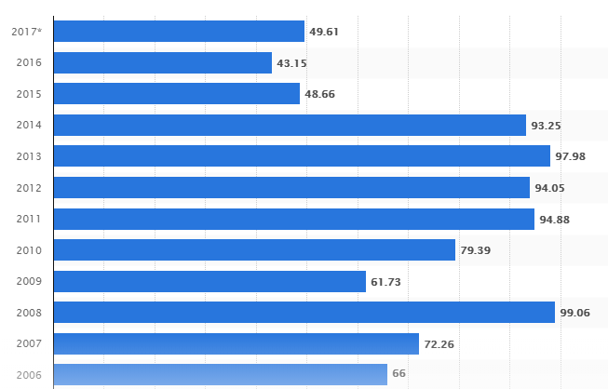

FRED Graph Observations
Federal Reserve Economic Data
Link: https://fred.stlouisfed.org
Help: https://fred.stlouisfed.org/help-faq
Economic Research Division
Federal Reserve Bank of St. Louis

DCOILWTICO | Crude Oil Prices: West Texas Intermediate (WTI) - Cushing, Oklahoma, Dollars per Barrel, Daily, Not Seasonally Adjusted

Frequency: Daily
observation_date | DCOILWTICO
37258 | 21.13
37259 | 20.65
37260 | 21.47
37263 | 21.42
37264 | 20.82
37265 | 20.32
37266 | 20.48
37267 | 19.67
37270 | 18.88
37271 | 18.99
37272 | 18.96
37273 | 18.2
37274 | 18.02
37278 | 18.36
37279 | 19.1
37280 | 19.57
37281 | 19.8
37284 | 20.05
37285 | 19.3
37286 | 19.11
37287 | 19.71
37288 | 20.4
37291 | 20.02
37292 | 20.06
37293 | 19.77
37294 | 19.75
37295 | 20.25
37298 | 21.29
37299 | 20.76
37300 | 21.19
37301 | 21.19
37302 | 21.47
37306 | 20.77
37307 | 20.31
37308 | 20.81
37309 | 20.92
37312 | 20.24
37313 | 21.37
37314 | 21.4
37315 | 21.78
37316 | 22.37
37319 | 22.55
37320 | 23.18
37321 | 23.32
37322 | 23.62
37323 | 23.87
37326 | 24.36
37327 | 24.55
37328 | 24.14
37329 | 24.48
37330 | 24.47
37333 | 25.03
37334 | 25.02
37335 | 24.92
37336 | 25.74
37337 | 25.56
37340 | 25.69
37341 | 25.75
37342 | 25.79
37343 | 26.21
37347 | 26.82
37348 | 27.75
37349 | 27.55
37350 | 26.64
37351 | 26.21
37354 | 26.16
37355 | 25.45
37356 | 26.15
37357 | 24.93
37358 | 23.51
37361 | 24.53
37362 | 24.92
37363 | 25.94
37364 | 25.86
37365 | 26.43
37368 | 26.28
37369 | 26.28
37370 | 26.28
37371 | 26.36
37372 | 27.12
37375 | 27.45
37376 | 27.32
37377 | 26.58
37378 | 26.31
37379 | 26.75
37382 | 26.11
37383 | 26.79
37384 | 27.76
37385 | 27.78
37386 | 27.92
37389 | 28.62
37390 | 29.17
37391 | 28.17
37392 | 28
37393 | 28.19
37396 | 28.24
37397 | 27.35
37398 | 27.01
37399 | 26.6
37400 | 26.69
37404 | 25.08
37405 | 25.64
37406 | 24.78
37407 | 25.37
37410 | 25.1
37411 | 25.32
37412 | 25.02
37413 | 24.89
37414 | 24.72
37417 | 24.24
37418 | 24.21
37419 | 24.79
37420 | 25.54
37421 | 25.9
37424 | 25.98
37425 | 25.36
37426 | 25.57
37427 | 25.62
37428 | 25.51
37431 | 26.31
37432 | 26.06
37433 | 26.67
37434 | 26.77
37435 | 26.79
37438 | 26.79
37439 | 26.83
37440 | 26.82
37445 | 26.14
37446 | 26.16
37447 | 26.73
37448 | 27.01
37449 | 27.48
37452 | 27.23
37453 | 27.68
37454 | 27.88
37455 | 27.5
37456 | 27.83
37459 | 26.61
37460 | 26.61
37461 | 26.78
37462 | 26.67
37463 | 26.55
37466 | 26.54
37467 | 27.43
37468 | 27.02
37469 | 26.51
37470 | 26.87
37473 | 26.55
37474 | 27.18
37475 | 26.58
37476 | 26.67
37477 | 26.87
37480 | 27.84
37481 | 28.35
37482 | 28.19
37483 | 28.99
37484 | 29.24
37487 | 29.86
37488 | 30.12
37489 | 30.37
37490 | 30.11
37491 | 29.99
37494 | 29.23
37495 | 28.84
37496 | 28.31
37497 | 28.83
37498 | 28.97
37502 | 27.76
37503 | 28.28
37504 | 29.06
37505 | 29.51
37508 | 29.8
37509 | 29.62
37510 | 29.77
37511 | 28.95
37512 | 29.83
37515 | 29.14
37516 | 29.08
37517 | 29.57
37518 | 29.49
37519 | 29.65
37522 | 30.85
37523 | 30.79
37524 | 30.69
37525 | 30.31
37526 | 30.53
37529 | 30.59
37530 | 30.71
37531 | 30.59
37532 | 29.73
37533 | 29.65
37536 | 29.65
37537 | 29.56
37538 | 29.31
37539 | 28.96
37540 | 29.36
37543 | 30.06
37544 | 29.73
37545 | 29.28
37546 | 29.61
37547 | 29.56
37550 | 28.31
37551 | 27.93
37552 | 28.19
37553 | 27.87
37554 | 27.09
37557 | 27.25
37558 | 26.81
37559 | 26.85
37560 | 27.18
37561 | 27.04
37564 | 26.89
37565 | 26.06
37566 | 25.72
37567 | 25.36
37568 | 25.83
37571 | 26.02
37572 | 26.19
37573 | 25.28
37574 | 25.4
37575 | 25.5
37578 | 26.71
37579 | 26.41
37580 | 27
37581 | 27.07
37582 | 27.73
37585 | 27.01
37586 | 26.6
37587 | 26.87
37592 | 27.27
37593 | 27.34
37594 | 26.8
37595 | 27.27
37596 | 27.03
37599 | 27.29
37600 | 27.73
37601 | 27.49
37602 | 28.2
37603 | 28.39
37606 | 30.15
37607 | 30.04
37608 | 30.41
37609 | 30.57
37610 | 30.57
37613 | 32.09
37614 | 32.13
37616 | 32.61
37617 | 32.68
37620 | 31.41
37621 | 31.21
 | 26.18496
37623 | 31.97
37624 | 33.26
37627 | 32.29
37628 | 31.2
37629 | 30.66
37630 | 31.95
37631 | 31.59
37634 | 32.08
37635 | 32.42
37636 | 33.23
37637 | 33.58
37638 | 33.88
37642 | 34.62
37643 | 34.32
37644 | 33.9
37645 | 34.98
37648 | 32.43
37649 | 32.7
37650 | 33.54
37651 | 33.78
37652 | 33.51
37655 | 32.84
37656 | 33.61
37657 | 33.91
37658 | 34.36
37659 | 35.05
37662 | 34.46
37663 | 35.43
37664 | 35.83
37665 | 36.63
37666 | 36.61
37670 | 36.88
37671 | 37.02
37672 | 36.45
37673 | 36.76
37676 | 37.29
37677 | 36.06
37678 | 37.96
37679 | 36.83
37680 | 36.76
37683 | 36.1
37684 | 36.95
37685 | 36.86
37686 | 37.21
37687 | 37.76
37690 | 37.18
37691 | 36.81
37692 | 37.87
37693 | 36.05
37694 | 35.41
37697 | 34.92
37698 | 31.55
37699 | 30.01
37700 | 28.62
37701 | 27.18
37704 | 29.51
37705 | 33.42
37706 | 28.71
37707 | 30.31
37708 | 30.21
37711 | 31.14
37712 | 29.48
37713 | 28.55
37714 | 29.05
37715 | 28.41
37718 | 27.76
37719 | 27.97
37720 | 28.93
37721 | 27.2
37722 | 28.28
37725 | 28.41
37726 | 29.46
37727 | 29.16
37728 | 30.1
37732 | 30.76
37733 | 29.92
37734 | 28.04
37735 | 27.52
37736 | 25.92
37739 | 25.25
37740 | 25.32
37741 | 26.09
37742 | 26.05
37743 | 25.74
37746 | 26.43
37747 | 25.65
37748 | 26.24
37749 | 26.94
37750 | 27.65
37753 | 27.34
37754 | 28.51
37755 | 29.21
37756 | 28.57
37757 | 29.07
37760 | 28.84
37761 | 29.29
37762 | 29.51
37763 | 29.09
37764 | 29.74
37768 | 29.24
37769 | 28.46
37770 | 29.15
37771 | 29.56
37774 | 30.72
37775 | 30.78
37776 | 29.81
37777 | 30.84
37778 | 31.26
37781 | 31.36
37782 | 31.72
37783 | 32.17
37784 | 31.41
37785 | 30.63
37788 | 31.14
37789 | 31.08
37790 | 30.28
37791 | 29.86
37792 | 30.63
37795 | 30.22
37796 | 30.05
37797 | 31.65
37798 | 28.97
37799 | 29.18
37802 | 30.15
37803 | 30.41
37804 | 30.29
37805 | 30.39
37809 | 30.08
37810 | 30.32
37811 | 30.87
37812 | 31.04
37813 | 31.33
37816 | 31.2
37817 | 31.6
37818 | 31.2
37819 | 31.44
37820 | 31.96
37823 | 31.67
37824 | 30.2
37825 | 30.13
37826 | 30.72
37827 | 30.31
37830 | 29.98
37831 | 30.21
37832 | 30.69
37833 | 30.56
37834 | 32.23
37837 | 31.8
37838 | 32.34
37839 | 31.77
37840 | 32.41
37841 | 32.23
37844 | 31.91
37845 | 31.91
37846 | 30.85
37847 | 30.85
37848 | 31.01
37851 | 30.81
37852 | 30.76
37853 | 30.96
37854 | 31.78
37855 | 31.64
37858 | 31.43
37859 | 32.01
37860 | 31.18
37861 | 31.41
37862 | 31.76
37866 | 29.57
37867 | 29.43
37868 | 28.87
37869 | 28.93
37872 | 28.85
37873 | 29.22
37874 | 29.41
37875 | 28.86
37876 | 28.26
37879 | 28.15
37880 | 27.6
37881 | 27
37882 | 27.26
37883 | 26.93
37886 | 26.97
37887 | 27
37888 | 28.19
37889 | 28.29
37890 | 28.21
37893 | 28.35
37894 | 29.19
37895 | 29.43
37896 | 29.83
37897 | 30.37
37900 | 30.4
37901 | 30.48
37902 | 29.6
37903 | 30.97
37904 | 32.01
37907 | 31.91
37908 | 31.68
37909 | 31.74
37910 | 31.51
37911 | 30.61
37914 | 30.37
37915 | 30.19
37916 | 30
37917 | 30.31
37918 | 29.99
37921 | 29.95
37922 | 29.57
37923 | 28.95
37924 | 28.67
37925 | 29.24
37928 | 28.81
37929 | 28.86
37930 | 30.29
37931 | 30.25
37932 | 30.73
37935 | 31.01
37936 | 31.21
37937 | 31.37
37938 | 31.89
37939 | 32.31
37942 | 31.75
37943 | 33.16
37944 | 32.84
37945 | 32.87
37946 | 32.26
37949 | 29.99
37950 | 30.02
37951 | 30.33
37956 | 29.89
37957 | 30.74
37958 | 30.61
37959 | 31.24
37960 | 30.68
37963 | 32.08
37964 | 31.72
37965 | 31.92
37966 | 32.01
37967 | 33.06
37970 | 33.17
37971 | 32.94
37972 | 33.36
37973 | 33.72
37974 | 32.81
37977 | 31.71
37978 | 32.03
37979 | 32.99
37984 | 32.51
37985 | 33.01
37986 | 32.51
 | 31.07524
37991 | 33.71
37992 | 33.54
37993 | 33.57
37994 | 34.27
37995 | 34.38
37998 | 34.92
37999 | 34.26
38000 | 34.62
38001 | 33.61
38002 | 35.16
38006 | 36.21
38007 | 35.53
38008 | 35.12
38009 | 34.94
38012 | 34.41
38013 | 33.99
38014 | 33.63
38015 | 32.86
38016 | 33.16
38019 | 34.02
38020 | 34.2
38021 | 33.06
38022 | 33.26
38023 | 32.49
38026 | 32.91
38027 | 34.03
38028 | 33.93
38029 | 34.03
38030 | 34.51
38034 | 35.13
38035 | 35.42
38036 | 35.81
38037 | 35.8
38040 | 35.75
38041 | 35.85
38042 | 37.28
38043 | 35.45
38044 | 36.08
38047 | 36.85
38048 | 36.6
38049 | 35.8
38050 | 36.81
38051 | 37.31
38054 | 36.53
38055 | 36.29
38056 | 36.21
38057 | 36.95
38058 | 36.21
38061 | 37.44
38062 | 37.36
38063 | 38.21
38064 | 37.81
38065 | 38.09
38068 | 37.12
38069 | 37.81
38070 | 37.06
38071 | 35.67
38072 | 35.61
38075 | 35.41
38076 | 36.15
38077 | 35.75
38078 | 34.47
38079 | 34.39
38082 | 34.29
38083 | 35.09
38084 | 36.28
38085 | 37.14
38089 | 37.79
38090 | 37.09
38091 | 36.62
38092 | 37.74
38093 | 37.7
38096 | 37.46
38097 | 37.61
38098 | 36.61
38099 | 37.7
38100 | 37.22
38103 | 37.02
38104 | 37.49
38105 | 37.23
38106 | 37.5
38107 | 37.31
38110 | 38.26
38111 | 38.86
38112 | 39.69
38113 | 39.41
38114 | 39.98
38117 | 38.9
38118 | 40.3
38119 | 40.3
38120 | 40.94
38121 | 41.42
38124 | 41.53
38125 | 40.32
38126 | 41.61
38127 | 40.92
38128 | 39.83
38131 | 42.03
38132 | 41.45
38133 | 40.6
38134 | 39.25
38135 | 39.9
38139 | 42.33
38140 | 39.96
38141 | 39.29
38142 | 38.44
38145 | 38.72
38146 | 37.18
38147 | 37.6
38148 | 38.45
38152 | 37.58
38153 | 37.18
38154 | 37.33
38155 | 38.51
38156 | 38.68
38159 | 37.69
38160 | 38.11
38161 | 37.56
38162 | 37.81
38163 | 37.34
38166 | 36.25
38167 | 35.6
38168 | 36.92
38169 | 38.56
38170 | 38.37
38174 | 39.56
38175 | 39.18
38176 | 40.27
38177 | 39.9
38180 | 39.3
38181 | 39.55
38182 | 40.98
38183 | 40.7
38184 | 41.1
38187 | 41.55
38188 | 40.86
38189 | 40.63
38190 | 41.51
38191 | 41.82
38194 | 41.45
38195 | 41.83
38196 | 42.81
38197 | 42.69
38198 | 43.72
38201 | 43.83
38202 | 44.13
38203 | 42.73
38204 | 44.39
38205 | 43.95
38208 | 44.86
38209 | 44.51
38210 | 44.72
38211 | 45.52
38212 | 46.61
38215 | 46.02
38216 | 46.75
38217 | 47.36
38218 | 48.66
38219 | 47.6
38222 | 46
38223 | 45.68
38224 | 43.83
38225 | 43.06
38226 | 43.11
38229 | 42.32
38230 | 42.23
38231 | 43.89
38232 | 44.04
38233 | 43.94
38237 | 43.18
38238 | 42.77
38239 | 44.53
38240 | 42.84
38243 | 43.86
38244 | 44.62
38245 | 43.83
38246 | 44.03
38247 | 45.63
38250 | 46.33
38251 | 47.11
38252 | 48.41
38253 | 48.37
38254 | 48.86
38257 | 49.56
38258 | 49.76
38259 | 49.53
38260 | 49.56
38261 | 50.16
38264 | 49.85
38265 | 51.08
38266 | 51.98
38267 | 52.56
38268 | 53.4
38271 | 53.65
38272 | 53.49
38273 | 53.86
38274 | 54.69
38275 | 54.89
38278 | 53.59
38279 | 53.28
38280 | 54.93
38281 | 54.51
38282 | 55.83
38285 | 55.52
38286 | 56.37
38287 | 52.52
38288 | 50.95
38289 | 51.78
38292 | 50.1
38293 | 49.6
38294 | 50.9
38295 | 48.8
38296 | 49.65
38299 | 49.1
38300 | 47.4
38301 | 48.7
38302 | 47.5
38303 | 47.3
38306 | 46.95
38307 | 46.1
38308 | 46.85
38309 | 46.3
38310 | 48.9
38313 | 48.48
38314 | 48.74
38315 | 49.14
38320 | 49.71
38321 | 49.16
38322 | 45.56
38323 | 43.31
38324 | 42.56
38327 | 42.96
38328 | 41.51
38329 | 41.96
38330 | 42.41
38331 | 40.71
38334 | 41.06
38335 | 41.76
38336 | 44.21
38337 | 44.16
38338 | 46.31
38341 | 45.57
38342 | 45.76
38343 | 44.05
38344 | 42.19
38348 | 41.26
38349 | 41.78
38350 | 43.69
38351 | 43.36
 | 41.506024096
38355 | 42.16
38356 | 43.96
38357 | 43.41
38358 | 45.51
38359 | 45.32
38362 | 45.31
38363 | 45.66
38364 | 46.46
38365 | 48.11
38366 | 48.41
38370 | 48.46
38371 | 47.61
38372 | 47.01
38373 | 48.31
38376 | 48.61
38377 | 49.43
38378 | 48.8
38379 | 48.8
38380 | 47.15
38383 | 48.25
38384 | 47.1
38385 | 46.65
38386 | 46.4
38387 | 46.45
38390 | 45.35
38391 | 45.4
38392 | 45.45
38393 | 47.05
38394 | 47.15
38397 | 47.5
38398 | 47.3
38399 | 48.35
38400 | 47.5
38401 | 48.45
38405 | 51
38406 | 51.73
38407 | 52.05
38408 | 52.2
38411 | 51.75
38412 | 51.67
38413 | 53
38414 | 53.6
38415 | 53.7
38418 | 53.9
38419 | 54.55
38420 | 54.75
38421 | 53.52
38422 | 54.4
38425 | 54.9
38426 | 55.05
38427 | 56.5
38428 | 56.4
38429 | 56.8
38432 | 56.7
38433 | 55.95
38434 | 49.43
38435 | 49.7
38439 | 54.06
38440 | 54.26
38441 | 53.96
38442 | 55.31
38443 | 57.26
38446 | 56.86
38447 | 55.83
38448 | 55.88
38449 | 54.16
38450 | 53.46
38453 | 53.71
38454 | 51.54
38455 | 50.21
38456 | 51.11
38457 | 50.61
38460 | 50.52
38461 | 52.33
38462 | 52.45
38463 | 52.49
38464 | 54.16
38467 | 53.16
38468 | 54.33
38469 | 51.37
38470 | 51.92
38471 | 49.2
38474 | 50.94
38475 | 49.6
38476 | 50.22
38477 | 51.12
38478 | 51.3
38481 | 52.04
38482 | 51.76
38483 | 50.39
38484 | 48.83
38485 | 48.65
38488 | 48.64
38489 | 48.97
38490 | 46.99
38491 | 47
38492 | 47.25
38495 | 48.68
38496 | 49.14
38497 | 50.37
38498 | 50.89
38499 | 51.65
38503 | 52.08
38504 | 54.4
38505 | 53.46
38506 | 55.08
38509 | 54.46
38510 | 53.84
38511 | 52.51
38512 | 54.36
38513 | 53.55
38516 | 55.47
38517 | 55.03
38518 | 55.53
38519 | 56.48
38520 | 58.4
38523 | 59.19
38524 | 58.9
38525 | 58.27
38526 | 59.23
38527 | 59.63
38530 | 59.78
38531 | 58.32
38532 | 57.23
38533 | 56.63
38534 | 59.11
38538 | 59.71
38539 | 61.24
38540 | 60.76
38541 | 59.71
38544 | 59.23
38545 | 60.49
38546 | 60
38547 | 57.83
38548 | 58.36
38551 | 57.12
38552 | 57.61
38553 | 56.73
38554 | 57.31
38555 | 57.75
38558 | 58.16
38559 | 59.05
38560 | 59.12
38561 | 59.91
38562 | 60.71
38565 | 61.51
38566 | 61.87
38567 | 60.76
38568 | 61.6
38569 | 62.44
38572 | 63.92
38573 | 63.13
38574 | 64.8
38575 | 65.67
38576 | 66.71
38579 | 66.21
38580 | 66.11
38581 | 63.29
38582 | 63.47
38583 | 65.51
38586 | 65.46
38587 | 65.81
38588 | 67.1
38589 | 67.29
38590 | 66.05
38593 | 67.41
38594 | 69.91
38595 | 68.63
38596 | 69.5
38597 | 66.91
38601 | 65.83
38602 | 64.38
38603 | 64.8
38604 | 64.21
38607 | 63.29
38608 | 63.18
38609 | 65.2
38610 | 64.64
38611 | 62.91
38614 | 67.21
38615 | 66.24
38616 | 66.96
38617 | 67.07
38618 | 64.67
38621 | 65.98
38622 | 64.94
38623 | 66.36
38624 | 66.83
38625 | 66.21
38628 | 65.36
38629 | 63.74
38630 | 62.56
38631 | 61.81
38632 | 61.81
38635 | 60.71
38636 | 63.84
38637 | 64.13
38638 | 63.05
38639 | 62.61
38642 | 64.26
38643 | 62.94
38644 | 62.11
38645 | 61.04
38646 | 61.05
38649 | 60.63
38650 | 62.83
38651 | 60.85
38652 | 61.03
38653 | 61.3
38656 | 59.8
38657 | 59.85
38658 | 59.75
38659 | 61.7
38660 | 60.6
38663 | 59.4
38664 | 59.7
38665 | 59.65
38666 | 57.8
38667 | 57.45
38670 | 57.6
38671 | 57.05
38672 | 57.85
38673 | 56.2
38674 | 56.3
38677 | 57.75
38678 | 58.3
38679 | 58.35
38684 | 57.36
38685 | 56.46
38686 | 57.33
38687 | 58.46
38688 | 59.31
38691 | 59.91
38692 | 59.96
38693 | 59.21
38694 | 60.66
38695 | 59.41
38698 | 61.36
38699 | 61.36
38700 | 60.86
38701 | 60.01
38702 | 58.01
38705 | 57.31
38706 | 57.81
38707 | 58.56
38708 | 58.08
38709 | 58.08
38713 | 58.16
38714 | 59.81
38715 | 60.26
38716 | 61.06
 | 56.637250996
38720 | 63.11
38721 | 63.41
38722 | 62.81
38723 | 64.21
38726 | 63.56
38727 | 63.41
38728 | 63.91
38729 | 63.96
38730 | 63.86
38733 | #N/A
38734 | 66.36
38735 | 65.76
38736 | 66.86
38737 | 68.16
38740 | 68.06
38741 | 66.83
38742 | 65.6
38743 | 65.8
38744 | 67.81
38747 | 68.36
38748 | 67.86
38749 | 66.61
38750 | 64.71
38751 | 65.41
38754 | 65.11
38755 | 63.01
38756 | 62.51
38757 | 62.66
38758 | 62.01
38761 | 61.26
38762 | 59.61
38763 | 57.61
38764 | 58.61
38765 | 59.76
38768 | #N/A
38769 | 61.21
38770 | 59.03
38771 | 58.03
38772 | 61.46
38775 | 61.01
38776 | 61.37
38777 | 62.01
38778 | 63.36
38779 | 63.61
38782 | 62.46
38783 | 61.51
38784 | 60.06
38785 | 60.51
38786 | 59.91
38789 | 61.81
38790 | 63.01
38791 | 62.11
38792 | 63.46
38793 | 62.81
38796 | 60.31
38797 | 60.41
38798 | 60.03
38799 | 62.13
38800 | 63.9
38803 | 63.75
38804 | 65.65
38805 | 66
38806 | 66.7
38807 | 66.25
38810 | 66.07
38811 | 65.75
38812 | 66.76
38813 | 67.22
38814 | 67.02
38817 | 68.29
38818 | 69.03
38819 | 68.53
38820 | 69.53
38821 | #N/A
38824 | 70.3
38825 | 71.28
38826 | 72.07
38827 | 71.96
38828 | 73.73
38831 | 70.19
38832 | 67.43
38833 | 71.71
38834 | 70.76
38835 | 71.8
38838 | 73.75
38839 | 74.62
38840 | 72.26
38841 | 69.98
38842 | 70.09
38845 | 69.75
38846 | 70.71
38847 | 72.15
38848 | 73
38849 | 71.87
38852 | 69.25
38853 | 69.4
38854 | 68.65
38855 | 69.63
38856 | 68.44
38859 | 69.23
38860 | 70.78
38861 | 69.47
38862 | 70.92
38863 | 71.35
38866 | #N/A
38867 | 71.85
38868 | 71.42
38869 | 70.11
38870 | 72.73
38873 | 72.5
38874 | 72.43
38875 | 70.9
38876 | 70.25
38877 | 71.62
38880 | 70.28
38881 | 68.48
38882 | 69.12
38883 | 69.78
38884 | 69.75
38887 | 69.21
38888 | 69.3
38889 | 70.07
38890 | 70.62
38891 | 70.5
38894 | 71.63
38895 | 72.05
38896 | 72.15
38897 | 73.5
38898 | 73.94
38901 | #N/A
38902 | #N/A
38903 | 75.2
38904 | 75
38905 | 73.76
38908 | 73.5
38909 | 74.05
38910 | 74.99
38911 | 76.7
38912 | 76.8
38915 | 75.7
38916 | 73.87
38917 | 72.79
38918 | 74
38919 | 73.52
38922 | 74.29
38923 | 73.46
38924 | 73.82
38925 | 74.5
38926 | 73.3
38929 | 74.56
38930 | 74.93
38931 | 76.16
38932 | 75.59
38933 | 74.78
38936 | 77.05
38937 | 76.29
38938 | 76.28
38939 | 74.17
38940 | 74.38
38943 | 73.33
38944 | 72.95
38945 | 71.64
38946 | 70.12
38947 | 70.93
38950 | 72.45
38951 | 72.55
38952 | 71.45
38953 | 72.02
38954 | 72.13
38957 | 70.47
38958 | 69.74
38959 | 70.2
38960 | 70.38
38961 | 69.24
38964 | #N/A
38965 | 68.7
38966 | 67.75
38967 | 67.37
38968 | 66.3
38971 | 65.42
38972 | 63.81
38973 | 64.09
38974 | 63.27
38975 | 63.3
38978 | 63.84
38979 | 61.77
38980 | 60
38981 | 61.62
38982 | 59.79
38985 | 60.74
38986 | 60.63
38987 | 62.96
38988 | 62.46
38989 | 62.9
38992 | 60.96
38993 | 58.64
38994 | 59.53
38995 | 60.02
38996 | 59.68
38999 | 59.93
39000 | 58.5
39001 | 57.56
39002 | 58.23
39003 | 58.69
39006 | 59.91
39007 | 58.91
39008 | 57.66
39009 | 58.55
39010 | 57.35
39013 | 56.74
39014 | 57.55
39015 | 59.09
39016 | 60.27
39017 | 60.75
39020 | 58.41
39021 | 58.72
39022 | 58.64
39023 | 57.87
39024 | 59.13
39027 | 60.11
39028 | 58.94
39029 | 59.93
39030 | 61.18
39031 | 59.66
39034 | 58.59
39035 | 58.28
39036 | 58.79
39037 | 56.23
39038 | 55.9
39041 | 56.42
39042 | 58.01
39043 | 57.28
39044 | #N/A
39045 | #N/A
39048 | 60.3
39049 | 60.97
39050 | 62.45
39051 | 62.97
39052 | 63.43
39055 | 62.39
39056 | 62.4
39057 | 62.2
39058 | 62.54
39059 | 62.06
39062 | 61.26
39063 | 61.06
39064 | 61.34
39065 | 62.48
39066 | 63.4
39069 | 62.19
39070 | 62.87
39071 | 63.08
39072 | 62.05
39073 | 61.81
39076 | #N/A
39077 | 61.07
39078 | 60.31
39079 | 60.39
39080 | 60.85
39083 | #N/A
39084 | 60.77
39085 | 58.31
39086 | 55.65
39087 | 56.29
39090 | 56.08
39091 | 55.65
39092 | 53.95
39093 | 51.91
39094 | 52.96
39097 | #N/A
39098 | 51.23
39099 | 52.3
39100 | 50.51
39101 | 51.98
39104 | 51.11
39105 | 53.61
39106 | 54.24
39107 | 53.49
39108 | 55.38
39111 | 54.01
39112 | 57.03
39113 | 58.17
39114 | 57.35
39115 | 59.01
39118 | 58.69
39119 | 58.91
39120 | 57.75
39121 | 59.76
39122 | 59.86
39125 | 57.76
39126 | 58.98
39127 | 58
39128 | 57.92
39129 | 59.38
39132 | #N/A
39133 | 58.32
39134 | 59.4
39135 | 60.28
39136 | 60.28
39139 | 61.41
39140 | 61.46
39141 | 61.78
39142 | 61.97
39143 | 61.58
39146 | 60.05
39147 | 60.66
39148 | 61.85
39149 | 61.63
39150 | 60.06
39153 | 58.94
39154 | 58.03
39155 | 58.15
39156 | 57.52
39157 | 57.06
39160 | 56.65
39161 | 56.41
39162 | 56.98
39163 | 60.21
39164 | 61.07
39167 | 61.77
39168 | 62.98
39169 | 64.11
39170 | 66.1
39171 | 65.94
39174 | 66.03
39175 | 64.59
39176 | 64.4
39177 | 64.26
39178 | #N/A
39181 | 61.51
39182 | 61.92
39183 | 61.98
39184 | 63.87
39185 | 63.63
39188 | 63.63
39189 | 63.14
39190 | 63.14
39191 | 61.81
39192 | 63.56
39195 | 65.33
39196 | 64.1
39197 | 65.33
39198 | 65.08
39199 | 66.45
39202 | 65.78
39203 | 64.43
39204 | 63.78
39205 | 63.23
39206 | 61.89
39209 | 61.48
39210 | 62.26
39211 | 61.54
39212 | 61.85
39213 | 62.35
39216 | 62.55
39217 | 63.16
39218 | 62.57
39219 | 64.83
39220 | 64.93
39223 | 66.25
39224 | 64.91
39225 | 65.1
39226 | 63.62
39227 | 64.59
39230 | #N/A
39231 | 63.19
39232 | 63.47
39233 | 64.02
39234 | 65.09
39237 | 66.17
39238 | 65.63
39239 | 65.97
39240 | 66.93
39241 | 64.78
39244 | 65.93
39245 | 65.36
39246 | 66.17
39247 | 67.62
39248 | 68.04
39251 | 69.06
39252 | 69.15
39253 | 68.5
39254 | 68.35
39255 | 68.85
39258 | 68.83
39259 | 67.78
39260 | 68.98
39261 | 69.61
39262 | 70.47
39265 | 71.11
39266 | 71.41
39267 | #N/A
39268 | 71.81
39269 | 72.8
39272 | 72.14
39273 | 72.8
39274 | 72.58
39275 | 72.55
39276 | 73.89
39279 | 74.11
39280 | 74.03
39281 | 75.03
39282 | 75.9
39283 | 75.53
39286 | 74.65
39287 | 73.38
39288 | 75.74
39289 | 74.96
39290 | 77.03
39293 | 76.82
39294 | 78.2
39295 | 76.49
39296 | 76.84
39297 | 75.41
39300 | 72.03
39301 | 72.25
39302 | 72.23
39303 | 71.62
39304 | 71.49
39307 | 71.6
39308 | 72.4
39309 | 73.36
39310 | 70.99
39311 | 71.9
39314 | 71.12
39315 | 69.49
39316 | 69.3
39317 | 69.86
39318 | 71.17
39321 | 71.98
39322 | 71.79
39323 | 73.52
39324 | 73.37
39325 | 73.98
39328 | #N/A
39329 | 75.07
39330 | 75.74
39331 | 76.34
39332 | 76.7
39335 | 77.53
39336 | 78.16
39337 | 79.85
39338 | 80.05
39339 | 79.14
39342 | 80.55
39343 | 81.51
39344 | 81.99
39345 | 83.85
39346 | 83.38
39349 | 82.51
39350 | 81.2
39351 | 80.31
39352 | 82.86
39353 | 81.64
39356 | 80.31
39357 | 80
39358 | 79.97
39359 | 81.48
39360 | 81.2
39363 | 78.97
39364 | 80.23
39365 | 81.3
39366 | 83.05
39367 | 83.73
39370 | 86.19
39371 | 87.58
39372 | 87.19
39373 | 89.48
39374 | 88.58
39377 | 87.6
39378 | 86.45
39379 | 88.3
39380 | 92.09
39381 | 91.73
39384 | 93.45
39385 | 90.33
39386 | 94.16
39387 | 93.53
39388 | 95.81
39391 | 94.06
39392 | 96.65
39393 | 96.46
39394 | 95.51
39395 | 96.36
39398 | 94.4
39399 | 91.18
39400 | 94.02
39401 | 93.37
39402 | 94.81
39405 | 95.75
39406 | 99.16
39407 | 98.57
39408 | #N/A
39409 | 98.24
39412 | 97.66
39413 | 94.39
39414 | 90.71
39415 | 90.98
39416 | 88.6
39419 | 89.29
39420 | 88.31
39421 | 87.45
39422 | 90.25
39423 | 88.23
39426 | 87.72
39427 | 90.12
39428 | 94.41
39429 | 92.35
39430 | 91.31
39433 | 90.69
39434 | 89.93
39435 | 91.11
39436 | 90.88
39437 | 93.19
39440 | 94
39441 | #N/A
39442 | 95.89
39443 | 96.63
39444 | 96.03
39447 | 95.95
39448 | #N/A
39449 | 99.64
39450 | 99.17
39451 | 97.9
39454 | 95.08
39455 | 96.43
39456 | 95.64
39457 | 93.92
39458 | 92.74
39461 | 94.23
39462 | 91.87
39463 | 90.8
39464 | 90.11
39465 | 90.55
39468 | #N/A
39469 | 89.64
39470 | 87.65
39471 | 89.98
39472 | 90.37
39475 | 90.99
39476 | 91.66
39477 | 92.34
39478 | 91.67
39479 | 89.03
39482 | 90.07
39483 | 88.32
39484 | 87.16
39485 | 88.07
39486 | 91.77
39489 | 93.56
39490 | 92.82
39491 | 93.28
39492 | 95.42
39493 | 95.57
39496 | #N/A
39497 | 99.99
39498 | 100.86
39499 | 98.57
39500 | 99.03
39503 | 99.4
39504 | 100.83
39505 | 99.59
39506 | 102.6
39507 | 101.78
39510 | 102.42
39511 | 99.72
39512 | 104.45
39513 | 105.51
39514 | 105.12
39517 | 107.9
39518 | 108.73
39519 | 109.86
39520 | 110.21
39521 | 110.03
39524 | 105.74
39525 | 109.57
39526 | 103.25
39527 | 102.57
39528 | #N/A
39531 | 101.7
39532 | 101.78
39533 | 105.83
39534 | 107.56
39535 | 105.59
39538 | 101.54
39539 | 100.92
39540 | 104.83
39541 | 103.92
39542 | 106.09
39545 | 108.91
39546 | 108.54
39547 | 110.89
39548 | 110.07
39549 | 110.14
39552 | 111.71
39553 | 113.77
39554 | 114.8
39555 | 114.8
39556 | 116.56
39559 | 117.48
39560 | 119.17
39561 | 119.28
39562 | 117.1
39563 | 119.64
39566 | 118.78
39567 | 115.67
39568 | 113.7
39569 | 112.6
39570 | 116.36
39573 | 119.94
39574 | 121.82
39575 | 123.56
39576 | 123.77
39577 | 125.94
39580 | 124.02
39581 | 125.83
39582 | 124.21
39583 | 124.25
39584 | 126.5
39587 | 127.15
39588 | 128.93
39589 | 132.99
39590 | 130.04
39591 | 131.58
39594 | #N/A
39595 | 128.81
39596 | 131
39597 | 126.7
39598 | 127.35
39601 | 127.75
39602 | 124.33
39603 | 122.3
39604 | 127.93
39605 | 138.51
39608 | 134.44
39609 | 131.38
39610 | 136.43
39611 | 136.91
39612 | 134.84
39615 | 134.52
39616 | 133.99
39617 | 136.54
39618 | 131.88
39619 | 134.78
39622 | 135.98
39623 | 136.49
39624 | 133.92
39625 | 138.91
39626 | 139.69
39629 | 139.96
39630 | 141.06
39631 | 143.74
39632 | 145.31
39633 | #N/A
39636 | 141.38
39637 | 136.06
39638 | 135.88
39639 | 141.47
39640 | 144.96
39643 | 145.16
39644 | 138.68
39645 | 134.63
39646 | 129.43
39647 | 128.94
39650 | 131.43
39651 | 127.25
39652 | 123.73
39653 | 124.62
39654 | 122.59
39657 | 124.72
39658 | 122.21
39659 | 126.74
39660 | 124.17
39661 | 125.03
39664 | 121.45
39665 | 118.71
39666 | 118.57
39667 | 119.84
39668 | 115.42
39671 | 114.44
39672 | 113.1
39673 | 115.96
39674 | 115.05
39675 | 113.46
39678 | 112.92
39679 | 114.39
39680 | 115.48
39681 | 121.23
39682 | 114.48
39685 | 114.85
39686 | 116.31
39687 | 118.17
39688 | 115.58
39689 | 115.55
39692 | #N/A
39693 | 109.63
39694 | 109.38
39695 | 107.99
39696 | 106.47
39699 | 106.35
39700 | 103.23
39701 | 102.66
39702 | 100.95
39703 | 101.19
39706 | 95.52
39707 | 91.49
39708 | 97.39
39709 | 97.5
39710 | 104.05
39713 | 122.61
39714 | 107.85
39715 | 106.84
39716 | 111.54
39717 | 106.77
39720 | 96.29
39721 | 100.7
39722 | 98.23
39723 | 93.84
39724 | 93.91
39727 | 88.15
39728 | 90.18
39729 | 88.94
39730 | 86.5
39731 | 77.44
39734 | 81.17
39735 | 78.69
39736 | 74.38
39737 | 69.81
39738 | 71.9
39741 | 74.08
39742 | 71.29
39743 | 66.92
39744 | 67.17
39745 | 63.34
39748 | 61.92
39749 | 62.8
39750 | 67.45
39751 | 65.79
39752 | 68.1
39755 | 63.93
39756 | 70.41
39757 | 65.41
39758 | 60.72
39759 | 61.06
39762 | 62.19
39763 | 59.38
39764 | 55.95
39765 | 58.31
39766 | 57.18
39769 | 55.14
39770 | 54.42
39771 | 53.64
39772 | 48.86
39773 | 49.22
39776 | 53.63
39777 | 50.02
39778 | 54.2
39779 | #N/A
39780 | 55.21
39783 | 49.34
39784 | 47.05
39785 | 46.79
39786 | 43.8
39787 | 41.01
39790 | 43.69
39791 | 42
39792 | 43.1
39793 | 47.77
39794 | 46.27
39797 | 44.61
39798 | 43.84
39799 | 40.17
39800 | 36.73
39801 | 33.17
39804 | 31.1
39805 | 30.28
39806 | 32.94
39807 | #N/A
39808 | 37.58
39811 | 39.89
39812 | 38.95
39813 | 44.6
39814 | #N/A
39815 | 46.17
39818 | 48.61
39819 | 48.56
39820 | 42.75
39821 | 41.68
39822 | 40.69
39825 | 37.65
39826 | 37.77
39827 | 37.43
39828 | 35.41
39829 | 35.38
39832 | #N/A
39833 | 38.57
39834 | 42.56
39835 | 42.33
39836 | 45.12
39839 | 46.5
39840 | 41.67
39841 | 42.04
39842 | 41.58
39843 | 41.73
39846 | 41.35
39847 | 40.87
39848 | 40.27
39849 | 41.15
39850 | 40.24
39853 | 39.58
39854 | 37.54
39855 | 35.93
39856 | 34.03
39857 | 37.63
39860 | #N/A
39861 | 34.96
39862 | 34.67
39863 | 39.6
39864 | 39.35
39867 | 37.66
39868 | 38.86
39869 | 41.64
39870 | 43.18
39871 | 44.15
39874 | 40.07
39875 | 41.57
39876 | 45.28
39877 | 43.54
39878 | 45.43
39881 | 47.01
39882 | 45.68
39883 | 42.46
39884 | 46.91
39885 | 46.22
39888 | 47.33
39889 | 48.97
39890 | 48.12
39891 | 51.46
39892 | 51.55
39895 | 53.05
39896 | 53.36
39897 | 52.24
39898 | 53.87
39899 | 52.41
39902 | 48.49
39903 | 49.64
39904 | 48.46
39905 | 52.61
39906 | 52.52
39909 | 51.1
39910 | 49.13
39911 | 49.37
39912 | 52.24
39913 | #N/A
39916 | 50.22
39917 | 49.51
39918 | 49.26
39919 | 49.97
39920 | 50.36
39923 | 45.82
39924 | 46.65
39925 | 47.41
39926 | 48.46
39927 | 50.65
39930 | 49.29
39931 | 49.01
39932 | 50.19
39933 | 50.35
39934 | 52.18
39937 | 54.45
39938 | 53.81
39939 | 56.29
39940 | 56.67
39941 | 58.58
39944 | 57.79
39945 | 58.81
39946 | 58
39947 | 58.58
39948 | 56.52
39951 | 58.99
39952 | 59.52
39953 | 61.45
39954 | 60.49
39955 | 61.15
39958 | #N/A
39959 | 62.48
39960 | 63.41
39961 | 65.09
39962 | 66.31
39965 | 68.59
39966 | 68.58
39967 | 66.14
39968 | 68.8
39969 | 68.43
39972 | 68.05
39973 | 70.02
39974 | 71.38
39975 | 72.69
39976 | 72.13
39979 | 70.54
39980 | 70.47
39981 | 71.07
39982 | 71.42
39983 | 69.6
39986 | 67.09
39987 | 68.81
39988 | 68.14
39989 | 69.7
39990 | 69.16
39993 | 71.47
39994 | 69.82
39995 | 69.32
39996 | 66.68
39997 | #N/A
40000 | 64.06
40001 | 62.88
40002 | 60.15
40003 | 60.36
40004 | 59.93
40007 | 59.69
40008 | 59.62
40009 | 61.49
40010 | 62.07
40011 | 63.56
40014 | 63.93
40015 | 64.81
40016 | 64.58
40017 | 66.1
40018 | 66.96
40021 | 68.34
40022 | 67.24
40023 | 63.42
40024 | 66.9
40025 | 69.26
40028 | 71.59
40029 | 71.4
40030 | 71.97
40031 | 71.96
40032 | 70.97
40035 | 70.59
40036 | 69.46
40037 | 70.08
40038 | 70.57
40039 | 67.51
40042 | 66.72
40043 | 69.22
40044 | 72.54
40045 | 72.4
40046 | 73.12
40049 | 73.68
40050 | 71.6
40051 | 71.38
40052 | 72.49
40053 | 72.72
40056 | 69.97
40057 | 68.11
40058 | 68.03
40059 | 67.9
40060 | 67.95
40063 | #N/A
40064 | 71.08
40065 | 71.27
40066 | 71.95
40067 | 69.34
40070 | 68.86
40071 | 70.81
40072 | 72.5
40073 | 72.48
40074 | 71.95
40077 | 69.74
40078 | 71.5
40079 | 68.74
40080 | 65.74
40081 | 65.91
40084 | 66.69
40085 | 66.56
40086 | 70.46
40087 | 70.67
40088 | 69.8
40091 | 70.26
40092 | 70.71
40093 | 69.6
40094 | 71.69
40095 | 71.75
40098 | 73.24
40099 | 74.1
40100 | 75.2
40101 | 77.55
40102 | 78.54
40105 | 79.47
40106 | 78.87
40107 | 81.03
40108 | 80.82
40109 | 80.11
40112 | 78.61
40113 | 79.45
40114 | 77.39
40115 | 79.84
40116 | 77.04
40119 | 78.08
40120 | 79.58
40121 | 80.3
40122 | 79.64
40123 | 77.4
40126 | 79.44
40127 | 79.01
40128 | 79.16
40129 | 77.25
40130 | 76.34
40133 | 78.91
40134 | 79.08
40135 | 79.55
40136 | 77.47
40137 | 76.83
40140 | 76.49
40141 | 74.88
40142 | 77.25
40143 | #N/A
40144 | 75.95
40147 | 77.19
40148 | 78.39
40149 | 76.62
40150 | 76.42
40151 | 75.41
40154 | 73.89
40155 | 72.59
40156 | 70.67
40157 | 70.54
40158 | 69.86
40161 | 69.48
40162 | 70.62
40163 | 72.64
40164 | 72.58
40165 | 73.3
40168 | 72.71
40169 | 73.48
40170 | 76.03
40171 | 76.83
40172 | #N/A
40175 | 78.67
40176 | 78.87
40177 | 79.35
40178 | 79.39
40179 | #N/A
40182 | 81.52
40183 | 81.74
40184 | 83.12
40185 | 82.6
40186 | 82.74
40189 | 82.54
40190 | 80.79
40191 | 79.66
40192 | 79.35
40193 | 77.96
40196 | #N/A
40197 | 78.98
40198 | 77.42
40199 | 75.84
40200 | 74.25
40203 | 74.9
40204 | 74.67
40205 | 73.64
40206 | 73.62
40207 | 72.85
40210 | 74.41
40211 | 77.21
40212 | 76.96
40213 | 73.13
40214 | 71.15
40217 | 71.87
40218 | 73.71
40219 | 74.48
40220 | 75.23
40221 | 74.11
40224 | #N/A
40225 | 76.98
40226 | 77.27
40227 | 78.97
40228 | 79.77
40231 | 80.04
40232 | 78.61
40233 | 79.75
40234 | 77.99
40235 | 79.72
40238 | 78.71
40239 | 79.62
40240 | 80.91
40241 | 80.21
40242 | 81.5
40245 | 81.85
40246 | 81.5
40247 | 82.07
40248 | 82.1
40249 | 81.26
40252 | 79.79
40253 | 81.75
40254 | 82.93
40255 | 82.16
40256 | 80.58
40259 | 81.26
40260 | 81.68
40261 | 80.29
40262 | 80.25
40263 | 79.75
40266 | 81.92
40267 | 82.14
40268 | 83.45
40269 | 84.53
40270 | #N/A
40273 | 86.36
40274 | 86.54
40275 | 85.64
40276 | 85.17
40277 | 84.6
40280 | 84.07
40281 | 83.8
40282 | 85.62
40283 | 85.25
40284 | 82.97
40287 | 81.52
40288 | 82.98
40289 | 82.78
40290 | 82.89
40291 | 84.34
40294 | 84.2
40295 | 82.43
40296 | 83.22
40297 | 85.17
40298 | 86.07
40301 | 86.19
40302 | 82.73
40303 | 80
40304 | 77.18
40305 | 75.1
40308 | 76.89
40309 | 76.37
40310 | 75.65
40311 | 74.38
40312 | 71.61
40315 | 70.08
40316 | 69.38
40317 | 69.91
40318 | 68.28
40319 | 68.03
40322 | 68.23
40323 | 64.78
40324 | 71.52
40325 | 74.56
40326 | 74
40329 | #N/A
40330 | 72.7
40331 | 72.88
40332 | 74.62
40333 | 71.43
40336 | 71.55
40337 | 71.88
40338 | 74.38
40339 | 75.48
40340 | 73.89
40343 | 74.99
40344 | 76.84
40345 | 77.67
40346 | 76.82
40347 | 77.18
40350 | 77.84
40351 | 77.15
40352 | 75.9
40353 | 75.96
40354 | 78.45
40357 | 78.26
40358 | 75.93
40359 | 75.59
40360 | 72.95
40361 | 72.06
40364 | #N/A
40365 | 71.96
40366 | 74.05
40367 | 75.46
40368 | 76.08
40371 | 74.93
40372 | 77.16
40373 | 77.02
40374 | 76.67
40375 | 75.96
40378 | 76.53
40379 | 77.32
40380 | 76.27
40381 | 79.01
40382 | 78.68
40385 | 78.93
40386 | 77.46
40387 | 77.06
40388 | 78.3
40389 | 78.85
40392 | 81.25
40393 | 82.52
40394 | 82.49
40395 | 82
40396 | 80.67
40399 | 81.46
40400 | 80.24
40401 | 78.09
40402 | 75.68
40403 | 75.39
40406 | 75.17
40407 | 75.76
40408 | 75.39
40409 | 74.45
40410 | 73.45
40413 | 72.71
40414 | 71.24
40415 | 72.07
40416 | 73.36
40417 | 75.17
40420 | 74.69
40421 | 71.93
40422 | 73.97
40423 | 74.99
40424 | 74.52
40427 | #N/A
40428 | 73.98
40429 | 74.65
40430 | 74.25
40431 | 76.4
40434 | 77.17
40435 | 76.78
40436 | 75.92
40437 | 74.58
40438 | 73.63
40441 | 74.81
40442 | 72.96
40443 | 72.98
40444 | 73.4
40445 | 74.63
40448 | 76.51
40449 | 76.15
40450 | 77.85
40451 | 79.95
40452 | 81.57
40455 | 81.43
40456 | 82.83
40457 | 83.21
40458 | 81.34
40459 | 82.66
40462 | 82.18
40463 | 81.67
40464 | 83.03
40465 | 82.71
40466 | 81.23
40469 | 83.06
40470 | 79.57
40471 | 81.93
40472 | 80.03
40473 | 81.15
40476 | 82
40477 | 82.6
40478 | 81.9
40479 | 82.2
40480 | 81.45
40483 | 82.94
40484 | 83.91
40485 | 84.45
40486 | 86.49
40487 | 86.85
40490 | 87.07
40491 | 87.04
40492 | 87.77
40493 | 87.77
40494 | 84.89
40497 | 84.88
40498 | 82.33
40499 | 80.43
40500 | 81.88
40501 | 81.65
40504 | 81.24
40505 | 80.79
40506 | 83.21
40507 | #N/A
40508 | 83.87
40511 | 85.73
40512 | 84.12
40513 | 86.75
40514 | 87.98
40515 | 89.18
40518 | 89.33
40519 | 88.69
40520 | 88.3
40521 | 88.35
40522 | 87.81
40525 | 88.62
40526 | 88.33
40527 | 88.66
40528 | 87.71
40529 | 88.02
40532 | 88.68
40533 | 89.3
40534 | 89.83
40535 | 90.84
40536 | #N/A
40539 | 90.99
40540 | 91.48
40541 | 91.13
40542 | 89.85
40543 | 91.38
40546 | 91.59
40547 | 89.39
40548 | 90.3
40549 | 88.37
40550 | 88.07
40553 | 89.24
40554 | 91.11
40555 | 91.85
40556 | 91.39
40557 | 91.53
40560 | #N/A
40561 | 91.38
40562 | 90.85
40563 | 88.56
40564 | 88.22
40567 | 86.74
40568 | 85.08
40569 | 86.15
40570 | 84.45
40571 | 88.15
40574 | 90.99
40575 | 89.54
40576 | 89.78
40577 | 89.42
40578 | 87.87
40581 | 86.3
40582 | 85.85
40583 | 85.59
40584 | 85.44
40585 | 84.39
40588 | 83.66
40589 | 83.13
40590 | 83.8
40591 | 85.05
40592 | 85.03
40595 | #N/A
40596 | 92.65
40597 | 96.04
40598 | 95.83
40599 | 96.52
40602 | 97.1
40603 | 99.63
40604 | 102.27
40605 | 101.92
40606 | 104.34
40609 | 105.37
40610 | 105.06
40611 | 104.39
40612 | 102.73
40613 | 101.14
40616 | 101.2
40617 | 97.23
40618 | 97.99
40619 | 101.47
40620 | 101.06
40623 | 102.36
40624 | 104.53
40625 | 105.21
40626 | 105.04
40627 | 104.89
40630 | 103.54
40631 | 104.34
40632 | 103.8
40633 | 106.19
40634 | 107.55
40637 | 108.14
40638 | 107.82
40639 | 108.38
40640 | 109.82
40641 | 112.27
40644 | 109.5
40645 | 105.75
40646 | 106.6
40647 | 107.73
40648 | 109.17
40651 | 106.7
40652 | 107.18
40653 | 110.84
40654 | 111.72
40655 | #N/A
40658 | 111.68
40659 | 111.72
40660 | 112.31
40661 | 112.38
40662 | 113.39
40665 | 113.03
40666 | 110.6
40667 | 108.79
40668 | 99.89
40669 | 96.87
40672 | 100.32
40673 | 103.39
40674 | 97.88
40675 | 98.53
40676 | 99.21
40679 | 96.91
40680 | 96.4
40681 | 99.52
40682 | 97.99
40683 | 99.15
40686 | 97.06
40687 | 99.13
40688 | 100.78
40689 | 100.18
40690 | 100.58
40693 | #N/A
40694 | 102.7
40695 | 100.3
40696 | 100.41
40697 | 100.28
40700 | 99.07
40701 | 99.18
40702 | 100.77
40703 | 101.95
40704 | 99.3
40707 | 97.2
40708 | 99.37
40709 | 94.83
40710 | 94.95
40711 | 93.02
40714 | 93.23
40715 | 93.7
40716 | 94.96
40717 | 90.7
40718 | 90.89
40721 | 90.65
40722 | 92.9
40723 | 94.85
40724 | 95.3
40725 | 94.81
40728 | #N/A
40729 | 96.92
40730 | 96.67
40731 | 98.7
40732 | 96.2
40735 | 95.16
40736 | 97.41
40737 | 98.04
40738 | 95.75
40739 | 97.24
40742 | 95.94
40743 | 97.49
40744 | 98.11
40745 | 98.96
40746 | 99.53
40749 | 98.97
40750 | 99.61
40751 | 97.4
40752 | 97.48
40753 | 95.68
40756 | 94.98
40757 | 93.78
40758 | 91.87
40759 | 86.75
40760 | 86.89
40763 | 81.27
40764 | 79.32
40765 | 83.05
40766 | 85.48
40767 | 85.19
40770 | 87.88
40771 | 86.65
40772 | 87.58
40773 | 82.38
40774 | 82.33
40777 | 84.42
40778 | 85.35
40779 | 84.99
40780 | 85.15
40781 | 85.37
40784 | 87.27
40785 | 88.9
40786 | 88.81
40787 | 88.93
40788 | 86.45
40791 | #N/A
40792 | 85.99
40793 | 89.34
40794 | 89.05
40795 | 87.24
40798 | 88.19
40799 | 90.21
40800 | 88.91
40801 | 89.4
40802 | 87.96
40805 | 85.7
40806 | 86.92
40807 | 85.77
40808 | 80.29
40809 | 79.58
40812 | 79.97
40813 | 84.18
40814 | 80.94
40815 | 81.87
40816 | 78.93
40819 | 77.34
40820 | 75.4
40821 | 79.41
40822 | 82.32
40823 | 82.7
40826 | 85.14
40827 | 85.54
40828 | 85.3
40829 | 83.96
40830 | 86.8
40833 | 86.38
40834 | 88.34
40835 | 86.11
40836 | 86.07
40837 | 87.19
40840 | 91.12
40841 | 92.98
40842 | 90.2
40843 | 93.96
40844 | 93.32
40847 | 93.19
40848 | 92.19
40849 | 92.51
40850 | 94.07
40851 | 94.26
40854 | 95.52
40855 | 96.8
40856 | 95.74
40857 | 97.78
40858 | 98.99
40861 | 98.14
40862 | 99.37
40863 | 102.59
40864 | 98.82
40865 | 97.67
40868 | 96.73
40869 | 97.76
...

GCC
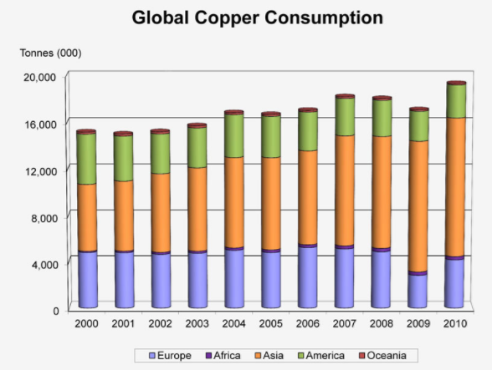

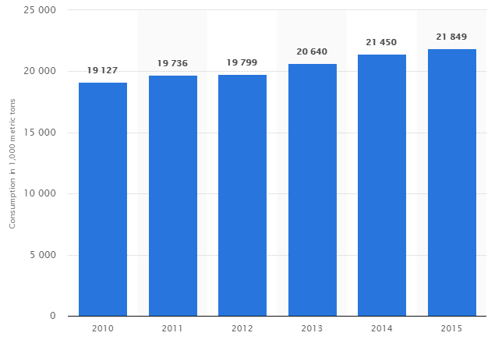

CGDP
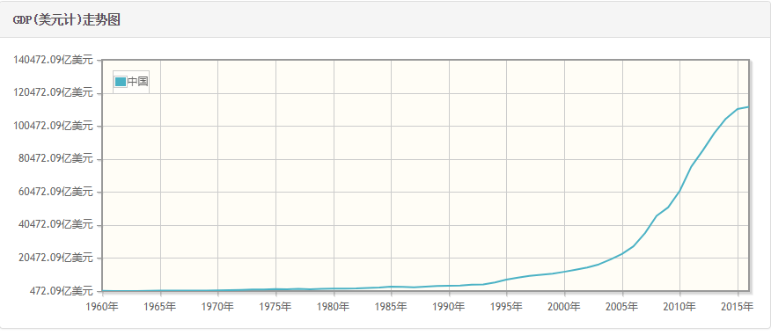

http://www.kuaiyilicai.com/stats/global/yearly_per_country/g_gdp/chn.html

FRED Graph Observations
Federal Reserve Economic Data
Link: https://fred.stlouisfed.org
Help: https://fred.stlouisfed.org/help-faq
Economic Research Division
Federal Reserve Bank of St. Louis

MKTGDPCNA646NWDB | Gross Domestic Product for China, Current U.S. Dollars, Annual, Not Seasonally Adjusted

Frequency: Annual
observation_date | MKTGDPCNA646NWDB
2008-01-01 | 4598205419718.8000
2009-01-01 | 5109954035775.9800
2010-01-01 | 6100620356557.3200
2011-01-01 | 7572554360442.6200
2012-01-01 | 8560546868811.6900
2013-01-01 | 9607224248684.5900
2014-01-01 | 10482371325324.7000
2015-01-01 | 11064664793255.7000
2016-01-01 | 11199145157649.2000

