App.4
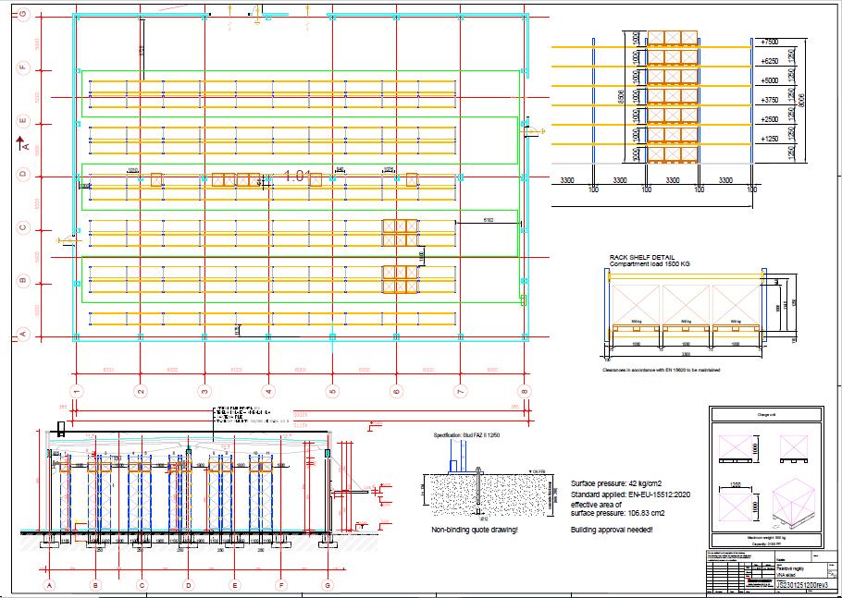
Appendix 4 Drawing of the new warehouse project

