greta (2)
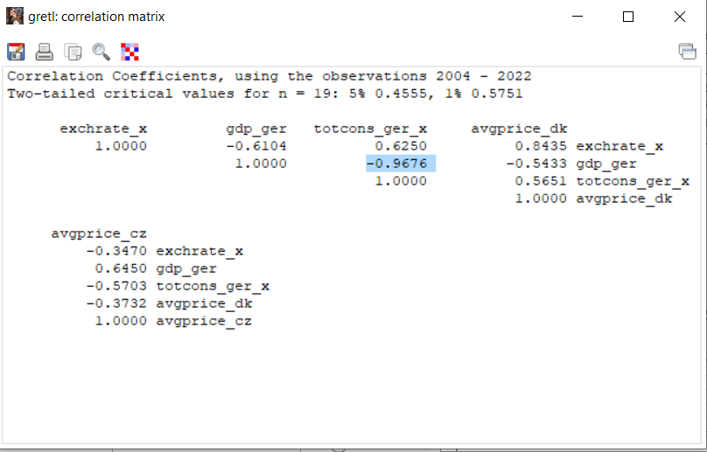
YEAR | y | exchrate_x | gdp_ger | totcons_ger_x | avgprice_dk | avgprice_cz | diff_exchr
2004 | 31619.000 | 32.398 | 2262520.000 | 94269340.680 | 1.604 | 0.386 | 0.808
2005 | 35279.000 | 30.361 | 2288310.000 | 93637629.704 | 0.920 | 0.377 | -2.037
2006 | 49058.000 | 29.030 | 2385080.000 | 94166267.720 | 0.824 | 0.490 | -1.331
2007 | 44630.000 | 27.525 | 2499550.000 | 90763521.940 | 0.824 | 0.446 | -1.505
2008 | 51274.000 | 26.364 | 2546490.000 | 90232622.502 | 0.803 | 0.512 | -1.161
2009 | 50230.000 | 26.825 | 2445730.000 | 89061634.040 | 0.582 | 0.364 | 0.461
2010 | 40673.000 | 26.285 | 2564400.000 | 89132298.640 | 0.588 | 0.357 | -0.540
2011 | 39078.000 | 25.088 | 2693560.000 | 88995752.154 | 0.610 | 0.384 | -1.197
2012 | 43862.000 | 25.505 | 2745310.000 | 87498391.245 | 0.650 | 0.487 | 0.417
2013 | 46508.000 | 25.218 | 2811350.000 | 87071510.006 | 0.620 | 0.533 | -0.287
2014 | 48418.000 | 27.481 | 2927430.000 | 87507083.925 | 0.584 | 0.540 | 2.263
2015 | 52953.000 | 27.693 | 3026180.000 | 84453349.554 | 0.647 | 0.561 | 0.212
2016 | 55923.000 | 27.023 | 3134740.000 | 82907742.961 | 0.607 | 0.575 | -0.670
2017 | 54100.000 | 27.021 | 3267160.000 | 80971886.520 | 0.619 | 0.568 | -0.002
2018 | 58102.000 | 25.494 | 3365450.000 | 82067729.040 | 0.623 | 0.556 | -1.527
2019 | 65072.000 | 25.752 | 3474110.000 | 80487400.488 | 0.615 | 0.613 | 0.258
2020 | 57071.000 | 25.411 | 3403730.000 | 76995984.912 | 0.611 | 0.524 | -0.341
2021 | 54888.000 | 26.141 | 3617450.000 | 74567247.276 | 0.601 | 0.498 | 0.730
2022 | 53172.000 | 24.818 | 3876800.000 | 76533515.874 | 0.569 | 0.487 | -1.323

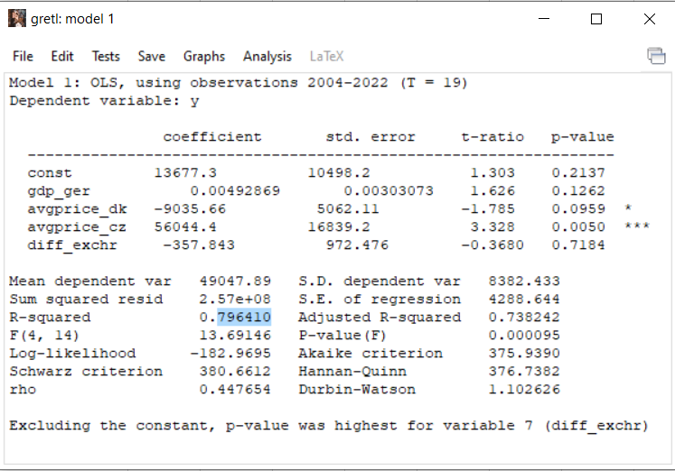

 |  |  |  |  |  |  |  | mby lagged exch rate

 | avgprice_dk | avgprice_cz
2003 | 1.31 | 0.39
2004 | 1.604 | 0.386
2005 | 0.920 | 0.377
2006 | 0.824 | 0.490
2007 | 0.824 | 0.446
2008 | 0.803 | 0.512
2009 | 0.582 | 0.364
2010 | 0.588 | 0.357
2011 | 0.610 | 0.384
2012 | 0.650 | 0.487
2013 | 0.620 | 0.533
2014 | 0.584 | 0.540
2015 | 0.647 | 0.561
2016 | 0.607 | 0.575
2017 | 0.619 | 0.568
2018 | 0.623 | 0.556
2019 | 0.615 | 0.613
2020 | 0.611 | 0.524
2021 | 0.601 | 0.498
2022 | 0.569 | 0.487

 | per liter /kg
 | EUR

ma only (2)
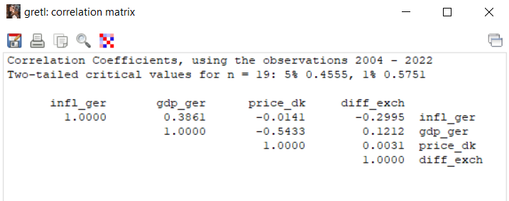
YEAR | y_EX | infl_cz | infl_ger | exch | gdp_ger | price_dk | diff_exch
2004 | 31619 | 2.8 | 1.67 | 32.398 | 2262520 | 1.6040033454 | 0.808
2005 | 35279 | 1.9 | 1.55 | 30.361 | 2288310 | 0.91965046172 | -2.037
2006 | 49058 | 2.5 | 1.58 | 29.03 | 2385080 | 0.82432361255 | -1.331
2007 | 44630 | 2.8 | 2.3 | 27.525 | 2499550 | 0.82371410754 | -1.505
2008 | 51274 | 6.3 | 2.63 | 26.364 | 2546490 | 0.80316759966 | -1.161
2009 | 50230 | 1 | 0.31 | 26.825 | 2445730 | 0.58179668646 | 0.461
2010 | 40673 | 1.5 | 1.1 | 26.285 | 2564400 | 0.58782209518 | -0.54
2011 | 39078 | 1.9 | 2.08 | 25.088 | 2693560 | 0.61049855931 | -1.197
2012 | 43862 | 3.3 | 2.01 | 25.505 | 2745310 | 0.64958788517 | 0.417
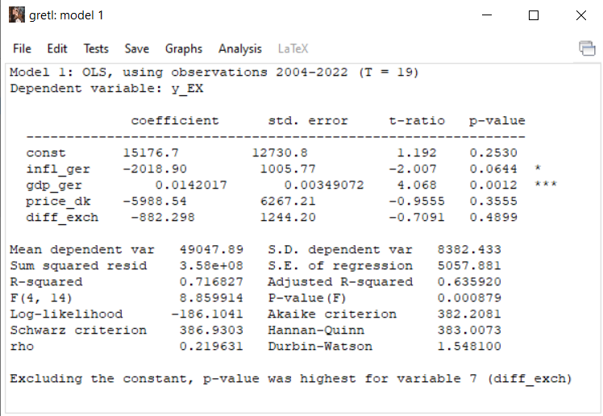
2013 | 46508 | 1.4 | 1.5 | 25.218 | 2811350 | 0.6201451406 | -0.287
2014 | 48418 | 0.4 | 0.91 | 27.481 | 2927430 | 0.58388534132 | 2.263
2015 | 52953 | 0.3 | 0.51 | 27.693 | 3026180 | 0.64690198155 | 0.212
2016 | 55923 | 0.7 | 0.49 | 27.023 | 3134740 | 0.6070735562 | -0.67
2017 | 54100 | 2.5 | 1.51 | 27.021 | 3267160 | 0.61870273325 | -0.002
2018 | 58102 | 2.1 | 1.73 | 25.494 | 3365450 | 0.62275382465 | -1.527
2019 | 65072 | 2.8 | 1.45 | 25.752 | 3474110 | 0.61525499942 | 0.258
2020 | 57071 | 3.2 | 0.14 | 25.411 | 3403730 | 0.61061220755 | -0.341
2021 | 54888 | 3.8 | 3.07 | 26.141 | 3617450 | 0.60127399266 | 0.73
2022 | 53172 | 15.1 | 6.86 | 24.818 | 3876800 | 0.569 | -1.323

greta + ma (1)
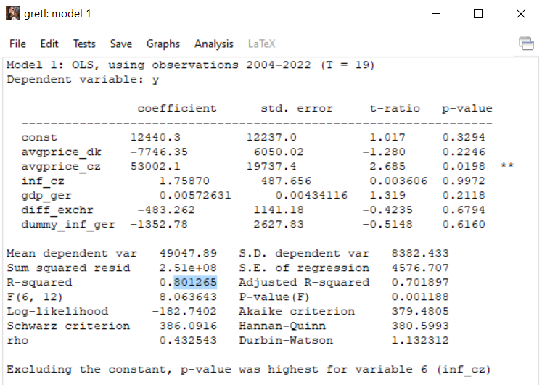
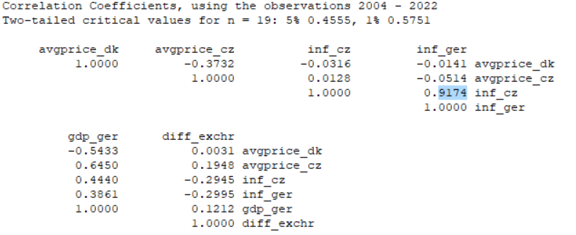
YEAR | y | exchr_x | beercons_ger_x | avgprice_dk | avgprice_cz | inf_cz | inf_ger_x | gdp_ger | diff_exchr | dummy_inf_ger
2004 | 31619.000 | 32.398 | 94269340.680 | 1.604 | 0.386 | 2.800 | 1.670 | 2262520.000 | 0.808 | 1
2005 | 35279.000 | 30.361 | 93637629.704 | 0.920 | 0.377 | 1.900 | 1.550 | 2288310.000 | -2.037 | 0
2006 | 49058.000 | 29.030 | 94166267.720 | 0.824 | 0.490 | 2.500 | 1.580 | 2385080.000 | -1.331 | 0
2007 | 44630.000 | 27.525 | 90763521.940 | 0.824 | 0.446 | 2.800 | 2.300 | 2499550.000 | -1.505 | 1
2008 | 51274.000 | 26.364 | 90232622.502 | 0.803 | 0.512 | 6.300 | 2.630 | 2546490.000 | -1.161 | 1
2009 | 50230.000 | 26.825 | 89061634.040 | 0.582 | 0.364 | 1.000 | 0.310 | 2445730.000 | 0.461 | 0
2010 | 40673.000 | 26.285 | 89132298.640 | 0.588 | 0.357 | 1.500 | 1.100 | 2564400.000 | -0.540 | 0
2011 | 39078.000 | 25.088 | 88995752.154 | 0.610 | 0.384 | 1.900 | 2.080 | 2693560.000 | -1.197 | 1
2012 | 43862.000 | 25.505 | 87498391.245 | 0.650 | 0.487 | 3.300 | 2.010 | 2745310.000 | 0.417 | 1
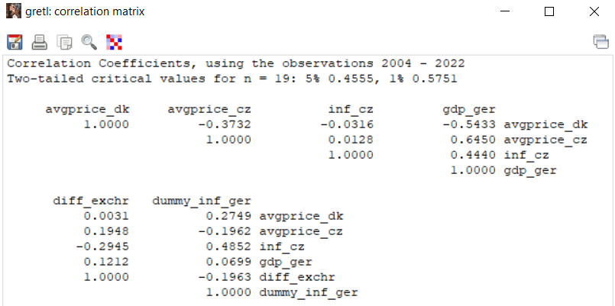
2013 | 46508.000 | 25.218 | 87071510.006 | 0.620 | 0.533 | 1.400 | 1.500 | 2811350.000 | -0.287 | 0
2014 | 48418.000 | 27.481 | 87507083.925 | 0.584 | 0.540 | 0.400 | 0.910 | 2927430.000 | 2.263 | 0
2015 | 52953.000 | 27.693 | 84453349.554 | 0.647 | 0.561 | 0.300 | 0.510 | 3026180.000 | 0.212 | 0
2016 | 55923.000 | 27.023 | 82907742.961 | 0.607 | 0.575 | 0.700 | 0.490 | 3134740.000 | -0.670 | 0
2017 | 54100.000 | 27.021 | 80971886.520 | 0.619 | 0.568 | 2.500 | 1.510 | 3267160.000 | -0.002 | 0
2018 | 58102.000 | 25.494 | 82067729.040 | 0.623 | 0.556 | 2.100 | 1.730 | 3365450.000 | -1.527 | 1
2019 | 65072.000 | 25.752 | 80487400.488 | 0.615 | 0.613 | 2.800 | 1.450 | 3474110.000 | 0.258 | 0
2020 | 57071.000 | 25.411 | 76995984.912 | 0.611 | 0.524 | 3.200 | 0.140 | 3403730.000 | -0.341 | 0
2021 | 54888.000 | 26.141 | 74567247.276 | 0.601 | 0.498 | 3.800 | 3.070 | 3617450.000 | 0.730 | 1
2022 | 53172.000 | 24.818 | 76533515.874 | 0.569 | 0.487 | 15.100 | 6.860 | 3876800.000 | -1.323 | 1

greta + ma + 2003
YEAR | y | exchr_x | beercons_ger_x | avgprice_dk | avgprice_cz | inf_cz | inf_ger | gdp_ger | diff_exchr | growth rate |  | Czech beer exports(EUR thous.) | Export growth rate
2003 | 27978.000 | 31.590 | 95826542.180 | 1.309 | 0.351 | 0.100 | 1.030 | 2211570.000
2004 | 31619.000 | 32.398 | 94269340.680 | 1.604 | 0.386 | 2.800 | 1.670 | 2262520.000 |  |  | 2003 | 27978.000 | 0.900
2005 | 35279.000 | 30.361 | 93637629.704 | 0.920 | 0.377 | 1.900 | 1.550 | 2288310.000 |  |  | 2004 | 31619.000 | 0.682
2006 | 49058.000 | 29.030 | 94166267.720 | 0.824 | 0.490 | 2.500 | 1.580 | 2385080.000 |  |  | 2005 | 35279.000 | 0.507
2007 | 44630.000 | 27.525 | 90763521.940 | 0.824 | 0.446 | 2.800 | 2.300 | 2499550.000 |  |  | 2006 | 49058.000 | 0.084
2008 | 51274.000 | 26.364 | 90232622.502 | 0.803 | 0.512 | 6.300 | 2.630 | 2546490.000 |  |  | 2007 | 44630.000 | 0.191
2009 | 50230.000 | 26.825 | 89061634.040 | 0.582 | 0.364 | 1.000 | 0.310 | 2445730.000 |  |  | 2008 | 51274.000 | 0.037
2010 | 40673.000 | 26.285 | 89132298.640 | 0.588 | 0.357 | 1.500 | 1.100 | 2564400.000 |  |  | 2009 | 50230.000 | 0.059
2011 | 39078.000 | 25.088 | 88995752.154 | 0.610 | 0.384 | 1.900 | 2.080 | 2693560.000 |  |  | 2010 | 40673.000 | 0.307
2012 | 43862.000 | 25.505 | 87498391.245 | 0.650 | 0.487 | 3.300 | 2.010 | 2745310.000 |  |  | 2011 | 39078.000 | 0.361
2013 | 46508.000 | 25.218 | 87071510.006 | 0.620 | 0.533 | 1.400 | 1.500 | 2811350.000 |  |  | 2012 | 43862.000 | 0.212
2014 | 48418.000 | 27.481 | 87507083.925 | 0.584 | 0.540 | 0.400 | 0.910 | 2927430.000 |  |  | 2013 | 46508.000 | 0.143
2015 | 52953.000 | 27.693 | 84453349.554 | 0.647 | 0.561 | 0.300 | 0.510 | 3026180.000 |  |  | 2014 | 48418.000 | 0.098
2016 | 55923.000 | 27.023 | 82907742.961 | 0.607 | 0.575 | 0.700 | 0.490 | 3134740.000 |  |  | 2015 | 52953.000 | 0.004
2017 | 54100.000 | 27.021 | 80971886.520 | 0.619 | 0.568 | 2.500 | 1.510 | 3267160.000 |  |  | 2016 | 55923.000 | -0.049
2018 | 58102.000 | 25.494 | 82067729.040 | 0.623 | 0.556 | 2.100 | 1.730 | 3365450.000 |  |  | 2017 | 54100.000 | -0.017
2019 | 65072.000 | 25.752 | 80487400.488 | 0.615 | 0.613 | 2.800 | 1.450 | 3474110.000 |  |  | 2018 | 58102.000 | -0.085
2020 | 57071.000 | 25.411 | 76995984.912 | 0.611 | 0.524 | 3.200 | 0.140 | 3403730.000 |  |  | 2019 | 65072.000 | -0.183
2021 | 54888.000 | 26.141 | 74567247.276 | 0.601 | 0.498 | 3.800 | 3.070 | 3617450.000 |  |  | 2020 | 57071.000 | -0.068
2022 | 53172.000 | 24.818 | 76533515.874 | 0.569 | 0.487 | 15.100 | 6.860 | 3876800.000 |  |  | 2021 | 54888.000 | -0.031
 |  |  |  |  |  |  |  |  |  |  | 2022 | 53172.000 | 0.000
 |  |  |  |  |  |  |  |  |  |  |  |  | Export growth rate

 |  |  |  |  |  |  |  |  |  |  |  | 2003 | 0.900
 |  |  |  |  |  |  |  |  |  |  |  | 2004 | 0.682
 |  |  |  |  |  |  |  |  |  |  |  | 2005 | 0.507
 |  |  |  |  |  |  |  |  |  |  |  | 2006 | 0.084
 |  |  |  |  |  |  |  |  |  |  |  | 2007 | 0.191
 |  |  |  |  |  |  |  |  |  |  |  | 2008 | 0.037
 |  |  |  |  |  |  |  |  |  |  |  | 2009 | 0.059
 |  |  |  |  |  |  |  |  |  |  |  | 2010 | 0.307
 |  |  |  |  |  |  |  |  |  |  |  | 2011 | 0.361
 |  |  |  |  |  |  |  |  |  |  |  | 2012 | 0.212
 |  |  |  |  |  |  |  |  |  |  |  | 2013 | 0.143
 |  |  |  |  |  |  |  |  |  |  |  | 2014 | 0.098
 |  |  |  |  |  |  |  |  |  |  |  | 2015 | 0.004
 |  |  |  |  |  |  |  |  |  |  |  | 2016 | -0.049
 |  |  |  |  |  |  |  |  |  |  |  | 2017 | -0.017
 |  |  |  |  |  |  |  |  |  |  |  | 2018 | -0.085
 |  |  |  |  |  |  |  |  |  |  |  | 2019 | -0.183
 |  |  |  |  |  |  |  |  |  |  |  | 2020 | -0.068
 |  |  |  |  |  |  |  |  |  |  |  | 2021 | -0.031
 |  |  |  |  |  |  |  |  |  |  |  | 2022 | 0.000

