Sheet3
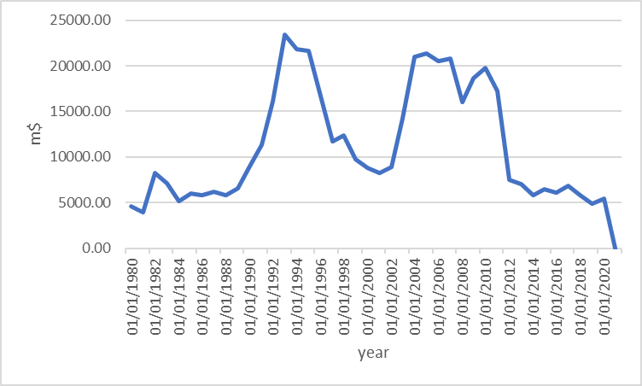
year | 1980 | 1981 | 1982 | 1983 | 1984 | 1985 | 1986 | 1987 | 1988 | 1989 | 1990 | 1991 | 1992 | 1993 | 1994 | 1995 | 1996 | 1997 | 1998 | 1999 | 2000 | 2001 | 2002 | 2003 | 2004 | 2005 | 2006 | 2007 | 2008 | 2009 | 2010 | 2011 | 2012 | 2013 | 2014 | 2015 | 2016 | 2017 | 2018 | 2019 | 2020 | 2021
GDP(m$) | 101,461 | 115,329 | 144,331 | 175,751 | 182,220 | 86,413 | 90,169 | 103,856 | 91,069 | 87,878 | 91,941 | 105,345 | 124,187 | 92,919 | 72,595 | 98,287 | 119,693 | 115,071 | 105,894 | 113,237 | 109,592 | 126,879 | 128,627 | 153,545 | 190,043 | 226,452 | 266,299 | 349,882 | 406,071 | 414,059 | 487,070 | 583,500 | 598,853 | 467,415 | 443,976 | 385,874 | 418,977 | 416,706 | 217,240 | 211,264 | 175,165 | 230,014
values of export(m $) | 12,328 | 11,821 | 20,452 | 22,726 | 18,359 | 16,007 | 7,803 | 12,272 | 8,965 | 11,842 | 16,574 | 18,661 | 19,868 | 16,197 | 20,321 | 20,900 | 24,316 | 19,683 | 13,987 | 21,964 | 23,526 | 24,492 | 31,403 | 37,814 | 48,018 | 68,635 | 79,403 | 100,918 | 107,922 | 94,039 | 118,843 | 149,568 | 144,497 | 125,650 | 100,541 | 76,185 | 93,868 | 113,241 | 87,693 | 48,821 | 39,131 | 58,132

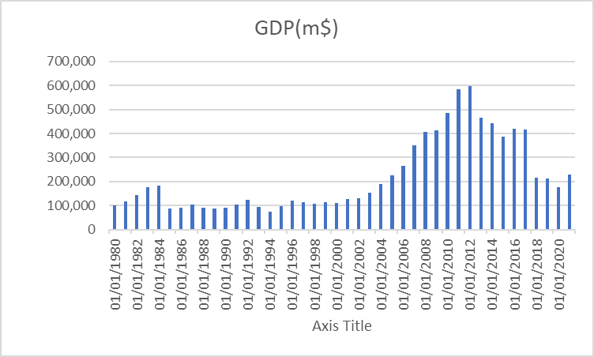

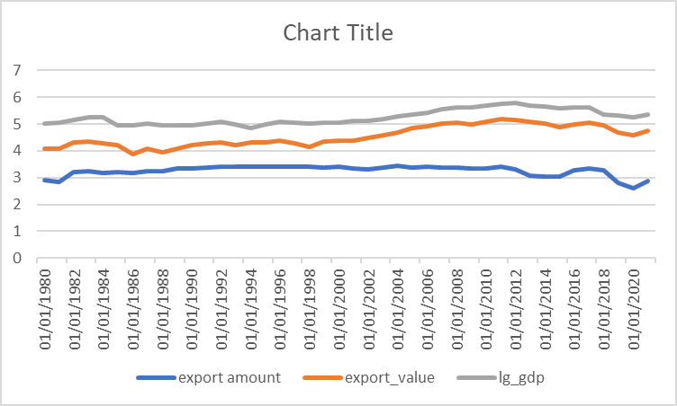

 | GDP_m | values_of_export_m | inflation | external_debt_m
1/1/1980 | 101,461 | 12328.00 | 20.61 | 4618.94
1/1/1981 | 115,329 | 11821.00 | 24.29 | 3969.21
1/1/1982 | 144,331 | 20452.00 | 18.72 | 8269.75
1/1/1983 | 175,751 | 22725.84 | 19.85 | 7078.09
1/1/1984 | 182,220 | 18359.08 | 12.59 | 5159.73
1/1/1985 | 86,413 | 16006.78 | 4.41 | 6025.23
1/1/1986 | 90,169 | 7802.61 | 18.40 | 5793.96
1/1/1987 | 103,856 | 12271.84 | 28.60 | 6150.72
1/1/1988 | 91,069 | 8964.96 | 28.70 | 5843.05
1/1/1989 | 87,878 | 11841.50 | 19.25 | 6526.86
1/1/1990 | 91,941 | 16573.63 | 7.71 | 9026.18
1/1/1991 | 105,345 | 18661.00 | 17.07 | 11368.43
1/1/1992 | 124,187 | 19868.00 | 25.88 | 16074.67
1/1/1993 | 92,919 | 16197.33 | 21.17 | 23392.44
1/1/1994 | 72,595 | 20321.21 | 31.26 | 21792.48
1/1/1995 | 98,287 | 20900.06 | 49.44 | 21681.65
1/1/1996 | 119,693 | 24315.73 | 29.84 | 16684.18
1/1/1997 | 115,071 | 19682.87 | 17.38 | 11697.34
1/1/1998 | 105,894 | 13986.84 | 17.86 | 12341.64
1/1/1999 | 113,237 | 21963.67 | 20.06 | 9742.30
1/1/2000 | 109,592 | 23526.12 | 14.59 | 8800.05
1/1/2001 | 126,879 | 24491.81 | 11.28 | 8280.88
1/1/2002 | 128,627 | 31402.85 | 14.29 | 8934.51
1/1/2003 | 153,545 | 37814.19 | 16.50 | 14235.37
1/1/2004 | 190,043 | 48018.14 | 14.75 | 20950.35
1/1/2005 | 226,452 | 68635.33 | 13.52 | 21393.52
1/1/2006 | 266,299 | 79402.81 | 11.92 | 20494.23
1/1/2007 | 349,882 | 100918.00 | 17.17 | 20834.07
1/1/2008 | 406,071 | 107922.00 | 25.43 | 16026.65
1/1/2009 | 414,059 | 94039.00 | 13.85 | 18609.98
1/1/2010 | 487,070 | 118843.00 | 10.11 | 19768.74
1/1/2011 | 583,500 | 149568.00 | 20.57 | 17260.29
1/1/2012 | 598,853 | 144497.00 | 27.11 | 7481.95
1/1/2013 | 467,415 | 125650.00 | 39.53 | 7013.04
1/1/2014 | 443,976 | 100541.00 | 17.50 | 5817.91
1/1/2015 | 385,874 | 76185.00 | 13.77 | 6455.86
1/1/2016 | 418,977 | 93868.00 | 8.57 | 6058.41
1/1/2017 | 416,706 | 113241.11 | 10.20 | 6819.09
1/1/2018 | 217,240 | 87693.38 | 20.54 | 5773.70
1/1/2019 | 211,264 | 48820.65 | 40.92 | 4855.39
1/1/2020 | 175,165 | 39131.08 | 30.08 | 5451.19
1/1/2021 | 230,014 | 58131.75 | 43.98 | 0.00
 | export_value | ln_gdp | ln_debt | ln_inflation
1/1/1980 | 9.42 | 11.53 | 8.44 | 3.03
1/1/1981 | 9.38 | 11.66 | 8.29 | 3.19
1/1/1982 | 9.93 | 11.88 | 9.02 | 2.93
1/1/1983 | 10.03 | 12.08 | 8.86 | 2.99
1/1/1984 | 9.82 | 12.11 | 8.55 | 2.53
1/1/1985 | 9.68 | 11.37 | 8.70 | 1.48
1/1/1986 | 8.96 | 11.41 | 8.66 | 2.91
1/1/1987 | 9.42 | 11.55 | 8.72 | 3.35
1/1/1988 | 9.10 | 11.42 | 8.67 | 3.36
1/1/1989 | 9.38 | 11.38 | 8.78 | 2.96
1/1/1990 | 9.72 | 11.43 | 9.11 | 2.04
1/1/1991 | 9.83 | 11.56 | 9.34 | 2.84
1/1/1992 | 9.90 | 11.73 | 9.68 | 3.25
1/1/1993 | 9.69 | 11.44 | 10.06 | 3.05
1/1/1994 | 9.92 | 11.19 | 9.99 | 3.44
1/1/1995 | 9.95 | 11.50 | 9.98 | 3.90
1/1/1996 | 10.10 | 11.69 | 9.72 | 3.40
1/1/1997 | 9.89 | 11.65 | 9.37 | 2.86
1/1/1998 | 9.55 | 11.57 | 9.42 | 2.88
1/1/1999 | 10.00 | 11.64 | 9.18 | 3.00
1/1/2000 | 10.07 | 11.60 | 9.08 | 2.68
1/1/2001 | 10.11 | 11.75 | 9.02 | 2.42
1/1/2002 | 10.35 | 11.76 | 9.10 | 2.66
1/1/2003 | 10.54 | 11.94 | 9.56 | 2.80
1/1/2004 | 10.78 | 12.16 | 9.95 | 2.69
1/1/2005 | 11.14 | 12.33 | 9.97 | 2.60
1/1/2006 | 11.28 | 12.49 | 9.93 | 2.48
1/1/2007 | 11.52 | 12.77 | 9.94 | 2.84
1/1/2008 | 11.59 | 12.91 | 9.68 | 3.24
1/1/2009 | 11.45 | 12.93 | 9.83 | 2.63
1/1/2010 | 11.69 | 13.10 | 9.89 | 2.31
1/1/2011 | 11.92 | 13.28 | 9.76 | 3.02
1/1/2012 | 11.88 | 13.30 | 8.92 | 3.30
1/1/2013 | 11.74 | 13.05 | 8.86 | 3.68
1/1/2014 | 11.52 | 13.00 | 8.67 | 2.86
1/1/2015 | 11.24 | 12.86 | 8.77 | 2.62
1/1/2016 | 11.45 | 12.95 | 8.71 | 2.15
1/1/2017 | 11.64 | 12.94 | 8.83 | 2.32
1/1/2018 | 11.38 | 12.29 | 8.66 | 3.02
1/1/2019 | 10.80 | 12.26 | 8.49 | 3.71
1/1/2020 | 10.57 | 12.07 | 8.60 | 3.40
1/1/2021 | 10.97 | 12.35 |  | 3.78

