SMP-assump
Stakeholder Management Project
N | Q1 | Q2 | Q3
1 | 2 | 1 | 2 |  | Strongly Agree | Agree | Disagree | Strongly disagree
2 | 1 | 1 | 2 | 1) Increased motivation might increase a project team performance. | 1 | 2 | 3 | 4
3 | 1 | 1 | 1 | 2) Project team performance depends on the open communication with a project team leader. | 1 | 2 | 3 | 4
4 | 2 | 2 | 2 | 3) Performance review might increase a chance of better results for the next project and increase an overall performance of each employee. | 1 | 2 | 3 | 4
5 | 2 | 2 | 2
6 | 2 | 2 | 2
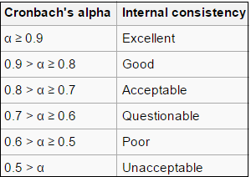
7 | 2 | 2 | 2
8 | 2 | 2 | 2
9 | 2 | 2 | 2
10 | 2 | 2 | 2
11 | 2 | 2 | 2
12 | 2 | 2 | 2
13 | 2 | 2 | 2
14 | 2 | 2 | 2
15 | 2 | 2 | 2
16 | 1 | 2 | 2
17 | 1 | 2 | 2
18 | 1 | 2 | 2
19 | 1 | 2 | 2
20 | 1 | 2 | 2
21 | 1 | 1 | 2
22 | 1 | 1 | 2
23 | 1 | 1 | 2
24 | 1 | 1 | 2
25 | 3 | 2 | 2
26 | 1 | 1 | 2
27 | 1 | 1 | 1
28 | 1 | 1 | 1
29 | 1 | 1 | 1
30 | 1 | 1 | 1

