IS - Ford
Indicator | 2019-12-30 | 2020-12-30 | 2021-12-30 | 2022-12-30 | 2023-12-30 | 2024-12-30 | 2025-12-30 | 2026-12-30
Total Revenue | 155,900,000 | 127,144,000 | 136,341,000 | 158,057,000 | 169,911,275 | 187,276,910 | 208,281,966 | 228,371,772
Growth Y-o-Y |  | -18.4% | 7.2% | 15.9% | 7.50% | 10.22% | 11.22% | 9.65%
Operating Revenue | 155,900,000 | 127,144,000 | 136,341,000 | 158,057,000 | 169,911,275.00 | 187,276,910.26 | 208,281,966.16 | 228,371,772.09
Cost of Revenue | 134,693,000 | 112,752,000 | 114,651,000 | 134,397,000 | 146,011,910 | 159,220,510 | 177,722,619 | 195,091,052
Gross Profit | 21,207,000 | 14,392,000 | 21,690,000 | 23,660,000 | 23,899,365 | 28,056,400 | 30,559,347 | 33,280,720 |  | discount rate
Operating Expense | 11,161,000 | 10,193,000 | 11,915,000 | 10,888,000 | 13,391,651 | 14,675,847 | 15,695,193 | 17,701,513 |  | Company | Apple Inc
Selling General and Administrative | 11,161,000 | 10,193,000 | 11,915,000 | 10,888,000 | 13,391,651 | 14,675,847 | 15,695,193 | 17,701,513 |  | r | 9.5%
Other Operating Expenses | 9,472,000 | 8,607,000 | 0 | 0 |  |  |  |  |  | g | 2%
Operating Income | 10,046,000 | 4,199,000 | 9,775,000 | 12,772,000 | 10,507,714 | 13,380,553 | 14,864,154 | 15,579,207
Operating Margin | 6% | 3% | 7% | 8% | 6% | 7% | 7% | 7%
Net Non Operating Interest Income Expense | -9,712,000 | -9,806,000 | -6,794,000 | -7,139,000
Interest Income Non Operating | 809,000 | 452,000 | 261,000 | 639,000 | 538,743 | 569,814 | 712,061 | 733,233
Interest Expense Non Operating | 10,521,000 | 10,258,000 | 7,055,000 | 7,778,000 | 10,287,308 | 10,081,773 | 11,357,531 | 12,857,961
Other Income Expense | 0 | 4,491,000 | 14,799,000 | -8,649,000 | 3,787,513 | 5,232,772 | 4,374,802 | 5,422,818
Gain on Sale of Security | -974,000 | 0 | 9,159,000 | -7,518,000 |  |  |  |  |  | CAPM |  | Comments
Earnings from Equity Interest | 144,000 | 3,488,000 | 695,000 | -3,030,000 |  |  |  |  |  | Risk - Free Rate | 3.743% | Ford's risk free rate, googled on 12.02.2023
Special Income Charges | -55,000 | -1,000 | -1,702,000 | -121,000 |  |  |  |  |  | Beta | 1.52 | Yaahhoo's rating beta for Ford on 12.02.2023
Other Special Charges | 55,000 | 1,000 | 1,702,000 | 121,000 |  |  |  |  |  | Market Return | 7.51% | average, based on S&P 500
Other Non Operating Income Expenses | -1,115,000 | 679,000 | 6,647,000 | 2,020,000 |  |  |  |  |  | r | 9.5%
Pretax Income | 0 | -1,116,000 | 17,780,000 | -3,016,000 | 14,295,226 | 18,613,325 | 19,238,956 | 21,002,024
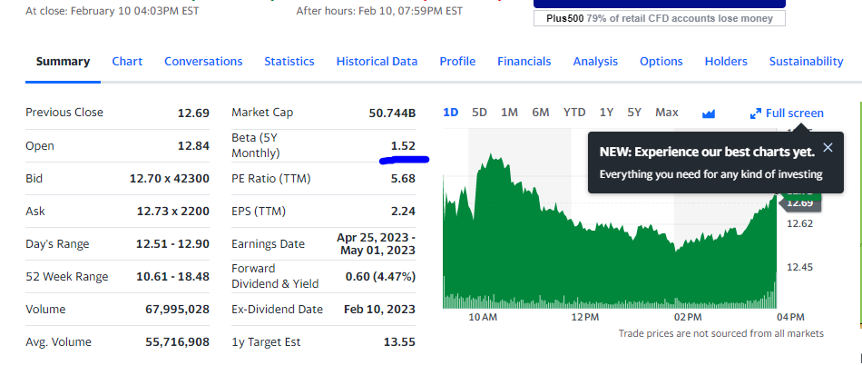
Tax Provision | -724,000 | -160,000 | -130,000 | -864,000 | 2,001,332 | 2,600,657 | 3,630,983 | 3,279,473
Net Income Common Stockholders | 47,000 | 1,279,000 | 17,937,000 | 1,981,000 | 8,580,708 | 9,887,748 | 6,569,305 | 12,845,576
Growth Y-o-Y | 4% | 7% | 905% | 23% | 87% | 151% | 51% | n-a
Net Income | 47,000 | 1,279,000 | 17,937,000 | 1,981,000
Net Income Including Non-Controlling Interests | 84,000 | 1,276,000 | 17,910,000 | 2,152,000
Net Income Continuous Operations | 84,000 | 1,276,000 | 17,910,000 | 2,152,000
Minority Interests | -37,000 | -3,000 | 27,000 | 171,000
Diluted NI Available to Com Stockholders | 47,000 | -1,279,000 | 17,937,000 | -1,981,000
Basic EPS | 1 | 0 | 0 | 0
Diluted EPS | 1 | 0 | 0 | 0
Basic Average Shares | 3,972,000 | 3,973,000 | 3,991,000 | 0
Diluted Average Shares | 4,004,000 | 3,973,000 | 4,034,000 | 0
Total Operating Income as Reported | 574,000 | 4,408,000 | 4,523,000 | 6,276,000
Total Expenses | 145,854,000 | 122,945,000 | 126,566,000 | 145,285,000
Net Income from Continuing & Discontinued Operation | 47,000 | -1,279,000 | 17,937,000 | -1,981,000
Normalized Income | -17,970 | -1,515,520 | 12,493,390 | 3,473,246
Interest Income | 809,000 | 452,000 | 261,000 | 639,000
Interest Expense | 10,521,000 | 10,258,000 | 7,055,000 | 7,778,000
Net Interest Income | -9,712,000 | 9,806,000 | 6,794,000 | 7,139,000
EBIT | 9,881,000 | 9,142,000 | 24,835,000 | 4,762,000
EBITDA | 0 | 0 | 0 | 11,255,000
Reconciled Cost of Revenue | 134,693,000 | 112,752,000 | 114,651,000 | 134,397,000
Reconciled Depreciation | 8,490,000 | 7,457,000 | 5,960,000 | 6,493,000
Net Minority Interest | 47,000 | -1,279,000 | 17,937,000 | -1,981,000 | 3,713,186.67 | 6,124,919.72 | 9,038,667.60 | 4,876,975.28
Total Unusual Items Excluding Goodwill | 89,000 | 324,000 | 7,457,000 | -7,639,000
Total Unusual Items | 89,000 | 324,000 | 7,457,000 | -7,639,000
Normalized EBITDA | 18,282,000 | 16,275,000 | 23,338,000 | 18,894,000 | 23,787,578.50 | 26,887,527.15 | 27,986,856.18 | 31,815,309.51
Tax Rate for Calcs | 0 | 0 | 0 | 0
Tax Effect of Unusual Items | 2,403 | 8,748 | 2,013,390 | -2,184,754

Net Income | 47,000.00 | 1,279,000.00 | 17,937,000.00 | 1,981,000.00 | n/a | n/a | n/a | n/a
Depreciation & amortization | 8,490,000.00 | 7,457,000.00 | 5,960,000.00 | 6,493,000.00 | 8,124,255.19 | 8,278,184.49 | 9,240,618.17 | 10,382,047.81
Change in NWC |  | 3,637,000.00 | -1,283,000.00 | 3,637,000.00 | 2,390,414.79 | 1,727,258.89 | 3,214,645.61 | 2,947,954.64
Operating Cash Flow | 8,537,000.00 | 5,099,000.00 | 25,180,000.00 | 4,837,000.00 | 14,314,548.48 | 16,438,673.57 | 12,595,277.73 | 20,279,669.42
Capital Expenditures (CaPEX) | -7,632,000.00 | -5,742,000.00 | -6,227,000.00 | -6,866,000.00 | -7,604,869.87 | -8,356,930.06 | -9,221,427.19 | -10,174,346.27
FCFF | 16,169,000.00 | 10,841,000.00 | 31,407,000.00 | 11,703,000.00 | 21,919,418.34 | 24,795,603.64 | 21,816,704.91 | 30,454,015.69
Change in Net Debt | 0.00 | 6,273,000.00 | -23,952,000.00 | 337,000.00 | -7,034,738.05 | -13,418,230.85 | -7,700,838.65 | -11,420,469.56
FCFE |  | 17,114,000.00 | 7,455,000.00 | 12,040,000.00 | 14,884,680.29 | 11,377,372.78 | 14,115,866.26 | 19,033,546.14
Terminal Value | 0.00 |  |  |  |  |  |  | 259,936,175.60
Total | 0.00 | 17,114,000.00 | 7,455,000.00 | 12,040,000.00 | 14,884,680.29 | 11,377,372.78 | 14,115,866.26 | 278,969,721.74

Forecast | 2019-12-30 | 2020-12-30 | 2021-12-30 | 2022-12-30 | 2023-12-30 | 2024-12-30 | 2025-12-30 | 2026-12-30 | 2027-12-30
Revenue Growth forecast | - | -18.45% | 7.23% | 15.93% | 7.50% | 10.22% | 11.22% | 9.65% | 10.36%
CoGS as a % of Revenue | 86.40% | 88.68% | 84.09% | 85.03% | 85.93% | 85.02% | 85.33% | 85.43% | 85.26%
S&GA as a % of Revenue | 7.16% | 8.02% | 8.74% | 6.89% | 7.88% | 7.84% | 7.54% | 7.75% | 7.71%
Interest Income as a % of revenue | 0.52% | 0.36% | 0.19% | 0.40% | 0.32% | 0.30% | 0.34% | 0.32% | 0.32%
Interest Expense as a % of revenue | 0.00% | 8.07% | 5.17% | 4.92% | 6.05% | 5.38% | 5.45% | 5.63% | 5.49%
Other Expense or Income | -0.72% | 0.53% | 4.88% | 1.28% | 2.23% | 2.79% | 2.10% | 2.37% | 2.42%
Effective Tax Rate | 0.00% | 14.34% | -0.73% | 28.65% | 14.00% | 13.97% | 18.87% | 15.62% | 16.15%
Normalized EBITDA |  | 12.80% | 17.12% | 11.95% | 14.00% | 14.36% | 13.44% | 13.93% | 13.91%
Minority Interest as a % of Revenue | 0.03% | -1.01% | 13.16% | -1.25% | 2.19% | 3.27% | 4.34% | 2.14% | 2.98%
D&A as a % of Revenue | 5.45% | 5.87% | 4.37% | 4.11% | 4.78% | 4.42% | 4.44% | 4.55% | 4.47%
Change in NWC as a % of Revenue | 0.00% | 2.86% | -0.94% | 2.30% | 1.41% | 0.92% | 1.54% | 1.29% | 1.25%
Capex as a % of Revenue | -4.90% | -4.52% | -4.57% | -4.34% | -4.48% | -4.46% | -4.43% | -4.46% | -4.45%
Change in net Debt as a % of Revenue | 0.00% | 4.93% | -17.57% | 0.21% | -4.14% | -7.16% | -3.70% | -5.00% | -5.29%
 | only used for calculation of Net Debt and NWC
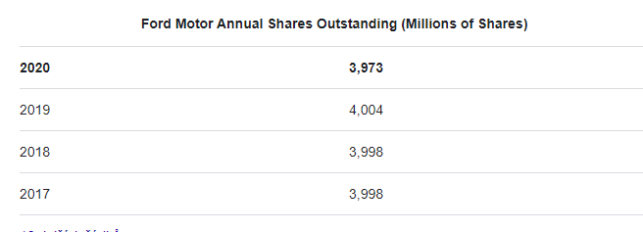

Equity Value | 187,201,842.68
Share Outstanding | 3,973,000.00
Price Per Share | 47.12
Current Price | 12.73
Buy / Sell | Buy
Upside | 270%

 |  | Outstanding share Millions | 3,973,000,000.00
 |  | in thousands | 3,973,000.00

